Growth Drivers
 | Blue Star Ltd - Growth Drivers

1 | Rapid housing sector expansion
2 | accelerated adoption of renewable energy
3 | vibrant rural economic growth
4 | Robust demand in Overall Air Conditioning products
5 | Strong execution in ElectroMechanical Projects
6 | Demand for Commercial Refrigeration products due to rising healthcare and Food & Beverages sector
7 | Rapid urbanisation and rising disposable income
8 | India's becoming manufacturing hub to build domestic supply chains and export growth
9 | Rising Disposable Income and Consumption

HOUSING UNITS SOLD

 | Year | Housing Units Sold
 | 2022 | 420554.00
 | 2023 | 484330.00
 | 2024 | 513811.00
 | 2025 | 494154.00

 | https://www.credaincr.org/iismgmt/all-images/policypdf/pdf_1753099631.pdf

Installed Renewable Energy Capacity (MW)
 | Year | Energy Capacity (MW)
 | 2015 | 4100.5
 | 2016 | 7141.3
 | 2017 | 11466.81
 | 2018 | 12093.24
 | 2019 | 8760.56
 | 2020 | 8843.31
 | 2021 | 7548.11
 | 2022 | 14081.97
 | 2023 | 15274.43
 | 2024 | 18484.68
 | 2025 | 28723.65

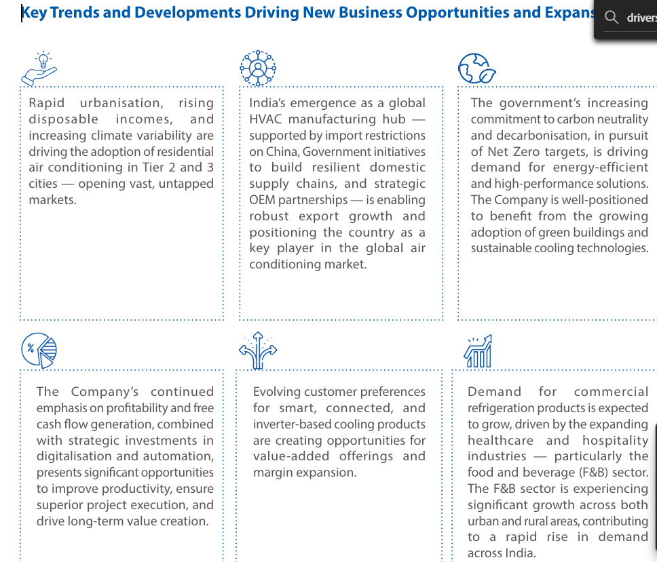
 | https://mnre.gov.in/en/year-wise-achievement

 | Year | Acs unit sold (mn)
 | 2023 | 10.2
 | 2024 | 13.3
 | 2025 | 15.4
 | 2026 | 14.75

Assumptions Working
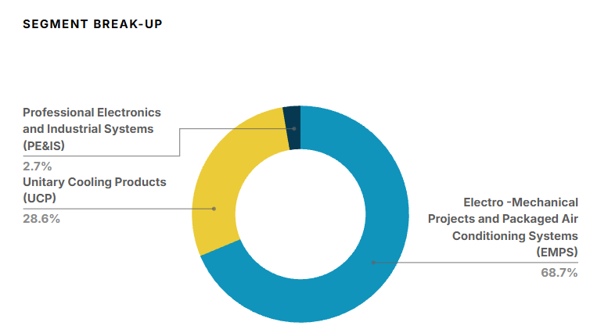
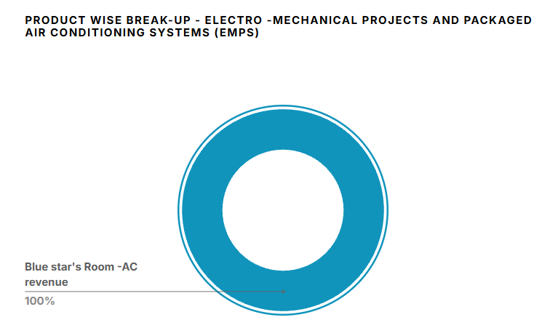
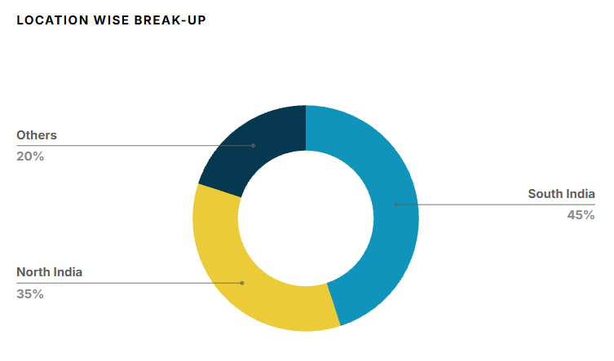
# | Revenue Growth

 | Segment Mix |  |  | FY26 Contribution |  | Segment Revenue FY26

 | Electro-Mechanical Projects and Commercial Air Conditioning Systems |  |  | 54.5% |  | 6,763
 | Unitary Products |  |  | 43% |  | 5,332
 | Professional Electronics and Industrial Systems |  |  | 2.5% |  | 307
 |  |  |  |  |  | 12,402

# | Company Historical Growth
 |  |  |  |  |  |  |  |  |  |  |  |  | CAGR
 | Particulars |  | 2017 | 2018 | 2019 | 2020 | 2021 | 2022 | 2023 | 2024 | 2025 | 2026 | 3 Years | 5 Years | 7 Years
 | Revenue From Operations |  | 4385 | 4639 | 5235 | 5360 | 4264 | 6046 | 7977 | 9685 | 11968 | 12402 | 15.8% | 23.8% | 13.1%
 | Growth YoY % |  |  | 5.8% | 12.8% | 2.4% | -20.5% | 41.8% | 32.0% | 21.4% | 23.6% | 3.6%

 | Statista |  | https://www.statista.com/outlook/cmo/household-appliances/major-appliances/air-conditioners/india/?srsltid=AfmBOop31nu0pkk5kCV8MoPgmKk2VtWrxiPHXx6y8TaZqeB64e0d7tMk#revenue

 | 2023 Revenue |  | US$9.01bn
 | CAGR Growth 2026-2031 |  | 14.62%
 | Volume Growth in 2027 |  | 14.36%

 |  |  |  |  |  |  |  |  |  |  |  | REVENUE CHART AND VOLUME CHART
 | Global Data |  | https://www.globaldata.com/store/report/india-conditioner-market-analysis/#TabReport_2 |  |  |  |  |  |  |  |  | price per unit chart

 | Conditioner market in India registered a positive compound annual growth rate (CAGR) of 7.21% during the period 2018 to 2023..
 | The market achieved its strongest performance in 2019, when it grew by 9.46% over its previous year and its weakest performance in 2020, when it increased by 3.76% over 2019.

 | Imarc Group |  | https://www.imarcgroup.com/india-air-conditioning-market

 | The India air conditioning market size was valued at USD 6.15 Billion in 2025 and is projected to reach USD 21.59 Billion by 2034, growing at a CAGR of 14.98% during 2026-2034.

 | IBEF |  | https://www.ibef.org/news/indian-room-air-conditioner-market-to-reach-us-5-6-billion-rs-50-000-crore-by-fy29-voltas

 | The India room air-conditioners (RAC) market is projected to grow at a robust CAGR of 12% and reach US$ 5.6 billion (Rs. 50,000 crore) by FY 2028-29,

 | ICRA |  | https://www.icra.in

 | The long-term demand outlook for the RAC industry, however, remains healthy with a forecasted compounded annual growth rate (CAGR) of 10–15% in volumes between FY2026 and FY2030
 | Reduction in the goods & services tax (GST) rate on RACs (under 2 tonne) to 18% with effect from September 22, 2025, against 28% earlier, is likely to reduce the prices of RACs by around 6-8%, or around Rs. 2000-3000 per unit, thus boosting demand |  | PDF
 | commodity exchange forward contracts |  | 2
 | ICRA projects the sales volume for the Indian RAC industry to contract to approximately11.0–11.5 million units in FY2026 from 12.5-13.0 million units in FY2025, primarily due tothe unseasonal rainfall during the summer, which impacted demand in Q1 FY2026
 | The domestic RAC industry is estimated to have experienced a15-20% YoY decline in volumes during April–July 2025.
 | This compressed RAC volumes in 4M FY2026 by around 15-20% in YoY terms, which will, however, be partly compensated by sales during the rest of the year due to favorable summer expectations in the Western and Sothern regions during H2 FY2026.
 | India’s domestic RAC manufacturing capacity, currently at24–26 million units annually, is projected to grow to30–32 million units by CY2027and40–42 million units by CY2030, reflecting a40–50% increase,to meet rising demand.

 | SOIC |  | https://www.soic.in/blog-page/from-heatwaves-to-market-waves-decoding-indias-ac-industry

 | Current penetration: Just 8% in India (vs 60–100% in developed markets).
 | Market growth: Indian RAC (Room Air Conditioner) volumes grew at a 10% CAGR (FY13–19), and post-COVID, the momentum picked up with a projected 17% CAGR from FY23–28
 | Global vs India gap: Global AC volumes ~150 mn units, China ~85 mn, India just ~7–8 mn (Exhibit 10). The runway is massive.
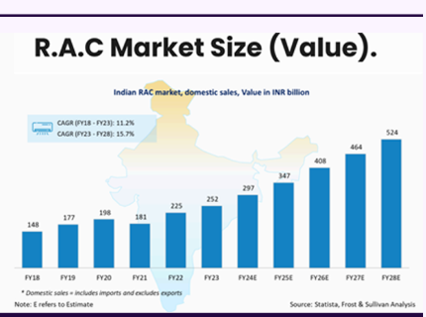
 | India’s current penetration ~8% vs >100% in China and >90% in developed markets.
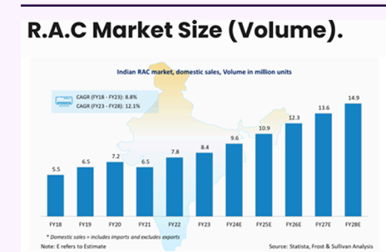
 | Even doubling penetration to 15–20% by 2030 means tens of millions of new units sold.

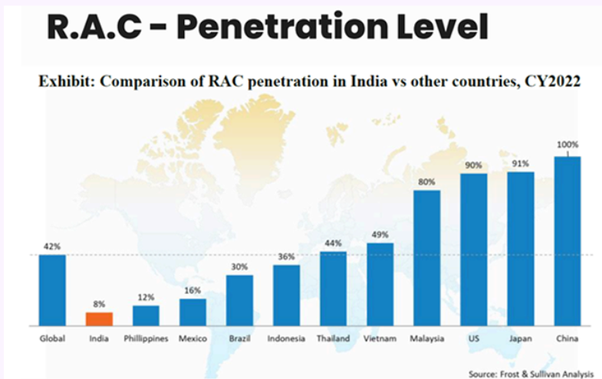

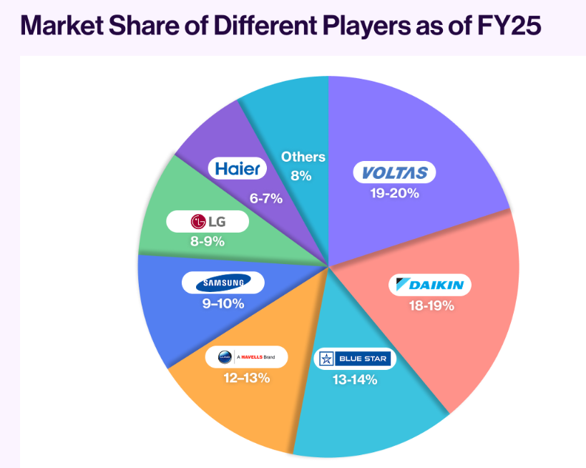
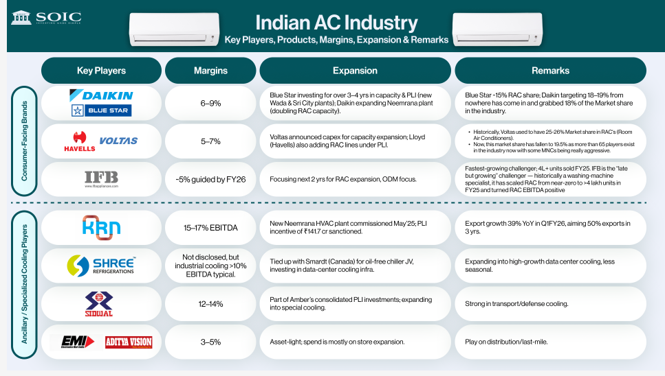
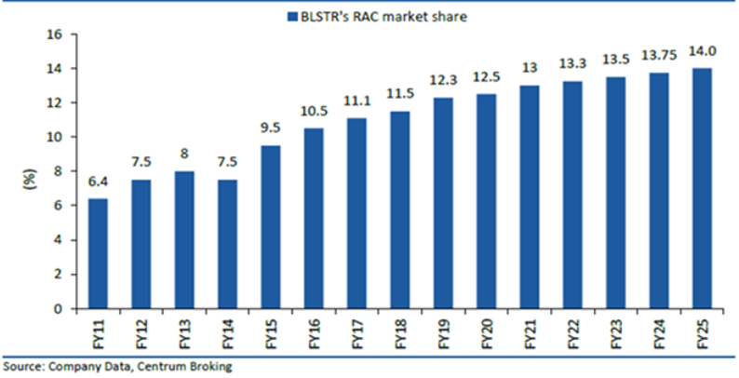

 | electromechanical projects and commercial air conditioning, that is Segment 1.
 | Coming to Segment 2, that is Unitary Products

# | Company Concalls

 | May-26

 | Voume growth | 10%
 | Overall RevenueAverage Growth (Commercial) | 8%-10%
 | We have already said that in the volume terms, we will be somewhere around some 11% of the market
 | Within Segment 2, the room air conditioner business witnessed reasonable growth with primary demand picking up in March and channels across all regions stocking up for the summer. The dealer network expansion continues to progress as planned.
 | I have always stated that the given there is price increase of I'm saying average you take at least 10% over last year, a good performance would mean anywhere between 25% to 30% over last year.

 | Feb-26
 | The company expects Q4FY26 to be a strong quarter for Room Air-Conditioners, Commercial Air-Conditioning, and Refrigeration products. In Electro-Mechanical Projects business, the demand from Factories and Data Center vertical continues to be healthy. In anticipation of a robust growth in FY2027, the Company is focused on expanding distribution reach and continues to invest in R&D, manufacturing, and digitalization, while persisting with cost optimization measures.
 | Firstly, on the growth outlook, so, on Segment-I and Segment-II, and Segment-I, essentially on the projects and CSE, typically, we discussed 12% to 15% CAGRs is what the growth rate should be.
 | The nine-month growth rate for Segment-I is almost 20%
 | but you can take 12% to 15% CAGR as a good modeling assumption and Room Air-Conditioner, despite the failed summer, I would still model it anywhere between 18% to 20%.
 | You don’t really have the breakup of that for me to disclose, but the category is supposed to grow at a CAGR of anywhere between 12% to 15%, given the processed food penetration, dairy, pharma—anything you take. FY26 was again a bad year.
 | For segment 1 But when your pending order book is lower, your growth in the subsequent months will be impacted, that is why I said that one should look at a single-digit growth or just a 10% growth.
 | Again, I am saying that it will be a growth at a CAGR of 8% to 10%.

 | Keeping all this in mind, I think if you ask me at the moment, I will take it as CAGR of around 8% to 10%, and then revise it depending on how the first six months of the next fiscal goes.
 | For segment 1 -. So, 8% to 10% range that we are talking about is for the entire EMP business, right?

 | Capex : Yes, so with regards to capex, see, the annual capex can be anywhere in the region of around RS.250 Crore to RS.350 Crore. So that's the normal spend that we have. When I say this capex, it includes all type of capex that is the normal routine capex, maintenance capex, investments in R&D, product development as well as whatever IT investments that we'll be doing.

 | For electro mechanical project segment 1 - Having said that, January has begun very well, and many inquiries are coming up for finalization. So, that should be happening. But when your pending order book is lower, your growth in the subsequent months will be impacted, that is why I said that one should look at a single-digit growth or just a 10% growth.
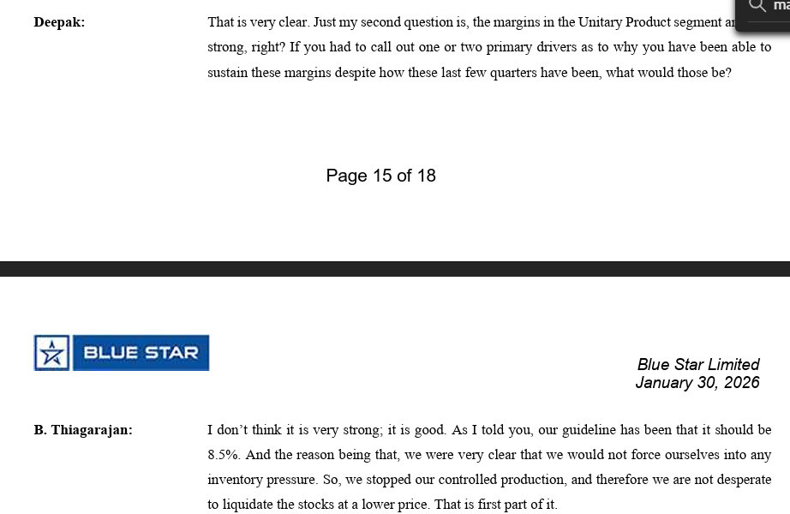

 | Aug-25
 | The growth story for the industry is strong. Even if you look at the CAGR from FY20 or you ignore the COVID years you take from FY22, the industry has grown, and Blue Star has grown in double digits. So, there is no doubt about the long-term prospects of this business. It is just that this particular financial year is tough

 | It is also probable that the industry ends up with (-15%) over last year and Blue Star does better than that, because we are dependent on just two windows now.
 | . So it can well be a growth which is minus 15%, it could be. So the range could be minus 15% to 0. But as of now, I am still hoping that one can attempt to deliver flat growth, if there is going to be a good summer outlook. That's the change. The festival season has not gone as one would have expected.

 | And one can say that it will be somewhere around 7.5% to 8% growth at least should be possible for this business in this financial year as a whole.
 | . In H1, our estimate is the industry would have shrunk by 15% and we have shrunk only by 10%. To that extent, we may have done better
 | segment 3- So one can say that at a CAGR of 10% to 12%, it will grow.

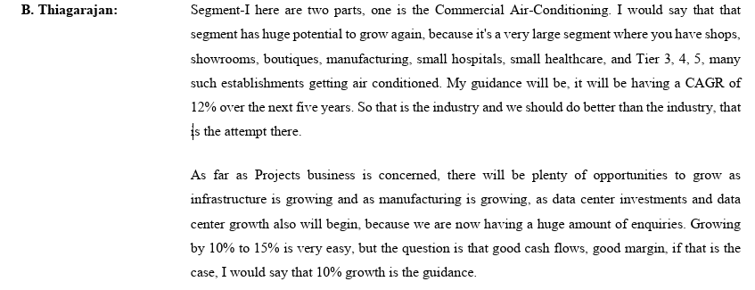

 | Yeah. So the Commercial Air-Conditioning, there is no caution at all, 12% to 15% kind of growth has been the story there
 | The Commercial Air-Conditioning, by nature, it will be only 12% CAGR growt
 | So there is absolutely no problem. Electro-Mechanical projects, we will maintain it only at around 10%
 | That's not the way to do it. According to me, if you look at the FY20 to FY26, it is 16%. FY21 to FY26, it will be 24%. FY22 to FY26, 21%. FY23 to FY26, it will be 15%. By many estimates, FY25 to FY30, it will be 19%. So, do not worry about it.
 | , I think the industry volumes, more or less the revenue, de-grew by 17% and Blue Star volumes would have de-grown by 12% in Q2.

# | Consensus Estimates

 |  | 2025A | 2026A | 2027E | 2028E
 | Axis Direct (Crores) | 11968 | 12402 | 15109 | -
 | Growth % |  | 3.6% | 21.8% | -
 | Motilal Oswal (Crores) | 11968 | 12402 | 14370 | 16690
 | Growth % |  | 3.6% | 15.9% | 16.1%
 | BOB Capital Markets (Crores) | 11968 | 12,402 | 14,629 | 16,854
 | Growth % |  | 3.6% | 18.0% | -
 | Emkay (Crores) | 11,968 | 12,402 | 14,944 | 17,382
 | Growth % |  | 3.6% | 20.5% | 16.3%
 | Average Revenue Estimate | 11,968 | 12,402 | 14,763 | 16,975
 | Growth % estimate | - | 3.6% | 19.0% | 15.0%

The company has posted revenue of INR 12402 Crores in FY2026. The revenue has been grown at a CAGR of 15.8% and 23.8% during the last 3 and 5 years respectively. The management is optimistic on overall growth of Indian Air conditioning market due to factors such as growing demand of air conditioners due to extreme weather conditions, large market potential because of low penetration of air conditioners in India, Increase in household income, huge potential because of establishments like showrooms, shops, malls getting air conditioned, opening of data centres in few years etc. The company experienced decline in AC sales in FY2026 due to unseasonal rainfall in peak summers in april to july month. Commercial refrigeration business has also been impacted through monsoon and some regulatory changes regarding water coolers and GST. The company has given guidance for segment 1 (Electro-magnet projects & commercial air conditioning) CAGR to be 10 - 12% and for segment 2 (room air conditioners & other products) CAGR would be 18% - 20% and segment 3 CAGR to be 10% -12%The Bluestar overall growth based on management guidance would be 13.8%.
The analyst's consensus growth for FY2027 is INR 14763 Crores which is 19% growth over FY2026 revenue of INR 12402 Crores.
Considering the challenges company might face such as weak summers, unseasonal rainfall, competition from market competitors, increasing cost of raw materials and supply disruptions because of middle east war going on, we assume that company would maintain 13% of growth due to summer setting in and forecasted as hottest summer, rising temperatures due to effect of EL NINO this year and increase in demand by manufacturing and data center sectors and increasing demand of room air conditioners due to low penetration in the market so there is massive opportunity to sell large number of ACs.
Indian air conditioning market is expected to grow between 12% to 17% in the next 5 years which also depend on overall GDP growth of the country.

# | Gross Margin

 | Company Historical Margin
 | Particulars |  | 2017 | 2018 | 2019 | 2020 | 2021 | 2022 | 2023 | 2024 | 2025 | 2026 | Median | Average
 | Gross Margins |  | 29.0% | 25.5% | 24.9% | 25.0% | 23.3% | 22.0% | 22.5% | 23.7% | 24.2% | 23.1% | 23.9% | 24.3%

 | Sector Data
 | India - Screener.in
 | India's HVAC Industry | 25%

 | All Emerging Markets - Damodaran Data
 | Machinery | 23.90%

 | Global
 |  | 28%
 | Source : Oxmaint.com
 | https://oxmaint.com/industries/hvac/hvac-market-size-growth-forecast-2026-global-analysis

 | HVAC service and maintenance contracts typically deliver gross margins of 35–55%, compared to 18–28% for equipment manufacturing and 12–22% for installation contracting — making services the highest-margin segment of the HVAC value chain

 | The Company is subject to fluctuations in prices for the purchase of copper, alluminium, and other raw material inputs.
 | The Company is exposed to foreign exchange risk due to its international operations and sourcing of raw materials from multiple geographies.
 | Blue Star has adopted a comprehensive Foreign Exchange Risk Management Policy with appropriate processes for regular monitoring and hedging of currency exposures.

 | The Company’s profitability may be adversely affected by fluctuations in commodity prices, rising input and freight costs, or credit defaults by customers.
 | Blue Star has established policies and commercial frameworks to address volatility in commodity and input prices. A comprehensive due diligence mechanism is in place to manage credit risks. The Company continues to review and optimise operating costs and has reengineered its commercial and contract management practices to strengthen cost resilience. A robust Commodity Risk Management Policy facilitates ongoing monitoring and hedging of commodity exposures.

 | Key components such as compressors, copper tubes, electronic parts, and inverter drives are sourced from vendors in China and other select countries. Any supply chain disruption arising from geo-political events, imposition of tariff or non-tariff barriers, or global disruptions may significantly impact Blue Star’s ability to import, manufacture, and deliver products. The Company also depends on suppliers located within and outside India for critical components, and any operational disruptions at these supplier facilities could impact product availability.
 | The Company employs a robust mechanism to identify single-country or single-vendor dependencies for critical components. Steps are continually taken to diversify Cybersecurity Risk Blue Star’s operations are heavily reliant on IT systems. A cyber-attack or IT failure could result in significant operational disruption. Mitigation Strategies The Company maintains a comprehensive Information Security Policy, supported by updated standards and governed through a defined Cybersecurity Governance structure. Cybersecurity awareness is promoted via sourcing through alternate and indigenous suppliers. Blue Star also explores backward integration opportunities and evaluates contractual arrangements with manufacturing partners to ensure business continuity during supply chain disruptions.
 | In line with its transformation into a strategic function, Blue Star has implemented comprehensive resilience measures across key supply categories such as compressors, electronics, raw materials, and chemicals. These measures include supplier diversification, long-term procurement agreements, validation of alternative materials, and strategic inventory planning. A structured, three-tier governance framework ensures robust monitoring and execution, creating enduring competitive advantages that are difficult to replicate. Procurement has shifted from transactional fulfilment to strategic collaboration, with a strong focus on forward-looking initiatives that align with the Company’s long-term goals

 | Managaement Guidance

 | May-26
 | Despite the multiple challenges, we gained market share marginally during the current quarter. Quite a few cost rationalization measures taken in Q1 FY26 owing to poor summer season continued till the end of the financial year, and it resulted in improved margins for the quarter.
 | The margin outlook given the commodity prices, it is a wrong time to predict anything because when you are in adverse situation, you swing to the other extreme. But it is bad.You don't have any visibility at all, whether it is exchange rate or whether it is the commodities. there will be a huge shortage of electronics because of helium-related issues, so it is unfortunate that we are in thist situation. That you have to deal with quarter-to-quarter.

 | In between, there were trade war-related hiccups all throughout the year, it still continues, which impacts us in terms of the supply chain itself on numerous raw materials that we get. One is about the availability and the second is about the prices.

 | B. Thiagarajan: We have stated this in many media interviews of mine; it will be there roughly around 8 %from SKU to SKU. It is around 5% is the price increase on account of energy level change alone on an average. Subsequent to that, till the April beginning, it will be around 8% for the raw material price increase and the exchange rate, all put together. It should have been around 13% price increase that is warranted. We would have taken until now the, you know very well, again, I'm repeating, the inventory was enough. The primary sale is beginning to pick up. For whatever primary had happened, we would have realized up to 8% out of 13% price increase, 5 more percentage of increase will happen as the May, June billings are happening, that is the reality. It may vary from model to model. On the average, you can assume it to be so.

 | What I will not very sure is whether it is an industry which, given the number of players, the competition, the increasing competition and increasing investments in manufacturing capacity, whether it will provide that 8% to 9% of operating margin. So, the question will Page 11 of 21 Blue Star Limited May 07, 2026 be the margin will be under extreme pressure. It is, again, a function of how rapidly the demand builds up and what is going to happen to the commodity prices, specifically copper and other electronic components. This is what is the thing that the industry players will have to look out for. It is just because the market is growing, it is not necessary that the margins will expand, it will continue to be under pressure. That is the outlook for the industry.

 | The concern is connected with how the pricing will be passed on to the consumers. I cannot talk about other brands. In our case, it is very important for us to pass on the increase. It's not that we operate with huge margins. It is very important that the margins are in the order, I'm saying the segment 1, we want to continue to maintain that 7% to 7.5% outlook. Segment 2, we want to maintain 8% to 8.5%, okay? That's where it is. Now at the same time, we have to march towards our market share goal of 15%, which is currently at around Page 13 of 21 Blue Star Limited May 07, 2026 14.25%. So, this is a function of how long the summer will be active, how much price realization can be improved.
 | This is a very critical period to judge that. Now the consumer demand will drop. If the summer is active, it's not going to be, as I have told you that, let us say, last year to this year, 13% price increase, but there is a 10% GST benefit. Actually, the consumer is going to pay around 3%. And that's where we are.

 | Within the segment, it is at 33%, data centre. I mentioned Blue Star's revenue will be RS.20,000 Crore ,in that it (data center) will be RS.3,000 Crore. In that contest 15% of the company's revenue could be, so do not mix up that statement with this. Page 16 of 21 Blue Star Limited May 07, 2026 Within the projects business, there are data centres, there are factories, there are buildings, there are infra. Now in that particular business, we have been operating between 7% to 7.5%. I will not, at this juncture say that it's going to become some 8% to 8.5% or 8.9%. Indeed, it is true that the data center market will grow and that part of the business will be significant within that segment. We are not making a statement that I’m not going to be in buildings or I'm not going to be in other verticals. As of now, that is all the guidance that we are giving.

 | And our market share is 11.25%, like what you said in volume terms and value terms, Achal Lohade: Page 17 of 21 Blue Star Limited May 07, 2026 14.25%. Have I understood right, sir?
 | They know very well that we have to wait for a lag in the primary sale, it has already happened. Now they will be moderating what is the production and what is the sale that is happening and I don't think that will be the concern at all. The issue will be how to pass on the price increase fully now and how to pass on the price increase post the season. There will be war-related increase in cost, so this year will be about margins rather than inventory.

 | Margin Impact
 | I don't think we have any concern there. If any, it's all covered for the price variation. Having said that, if you have delayed or the delay is attributable to us, during the delayed period, price variation will not be applicable. I do not think we have any kind of an impact at the moment in terms of input material cost has gone up. See, how it was is that you always assume that price variation will provide for something and there is some contingency that is Page 8 of 21 Blue Star Limited May 07, 2026 available and so that is not the major concern there.

 | Yes, I have stated very clearly, the additional price increase has come into effect in May itself. We have to pass it on, it is a function of the secondary demand, then the dealers will have to buy. That's where we are. We are also stating that there will be margin pressure throughout the year and unless and until something dramatically changes in Q2 or Q3, we do not know and we are still maintaining that 8% to 8.5% is the outlook for the market.
 | That's right. In a good summer here, it should be 8.5% to 9% for your information. We are saying 8% to 8.5% should be the thing in my very opening remarks or to the first question, I have stated, the market will continue to grow. The margins will be continuing to be under pressure until 2030. I am not seeing that it is 8% to 8.5% continuing as the market expands further. Also, as far as this financial year is concerned, as we see today, we believe 8% to 8.5% is possible.
 | The second part is connected with the variable cost connected with the Room Air-Conditioner business. We had been moderating ever since May 2025, and those are resulting in improved margins.
 | All this put together, the price is going to be much higher. So, GST reduction is available, whereas the other three, energy label change, plus you have got the commodity prices, which are continuing to shoot up and the exchange rate. This will result in, my estimation is that somewhere around at least 10% of net increase to the consumers, whereas the consumer would have been believing that Page 6 of 18 Blue Star Limited January 30, 2026 there is a 10% reduction than last year. They are going to get it because the GST reduction will translate into, which is not going to be the cas
 | And I think that 8.5% kind of a margin is bare minimum, one should look at it. If it is a great summer year, one should try to do 9.5% in the best interest of the category.
 | . We have not yet reached our first goal of reaching 15% market share. We are somewhere, we have crossed 14%, and even in a challenging year, I think we have gained marginally some market share. So, that we need to do.
 | The second important part is, that growth has to be a profitable growth, which means the margin guidelines that I mentioned, somewhere around 8.5%

 | Q4FY26 and FY27, the margin outlook is 8.5%. Unless and until summer is going to be so very harsh summer, it can go up to 9%, and then I am not forecasting anything now. It can be looked at Page 12 of 18 Blue Star Limited January 30, 2026 closer to March. My estimate is that if you do 8.5%, that is a reasonable margin, looking at it today, especially with the higher prices.
 | Not at all. You have seen our margin. It is above 8% already in Q3and Q4, irrespective of the summer season, irrespective of the price increase, 8.5% is doable. FY27, 8.5% should be the target. If the summer season is extremely good, it can go up to 9%. We don’t know now; that call has to be taken. Price hike has to be taken in any case. It is not optional. In a category in which the margin is in the order of 8% to 8.5%, you can’t absorb this kind of commodity price increase or the exchange rate issues. That is not your option. In my mind, it has to be done
 | The last point is on infrastructure projects. Roughly one-third of our revenue comes from infra projects, and quite a few of these projects will now come to closure, as few of these projects are metro railway projects or water, railway electrification, etc. So, when these projects are nearing to closure, usually the costs go up and it pulls down the overall margin, so, you would have seen already the margin is lower than last year in Q3. I think this will be a trend for next two, three Page 13 of 18 Blue Star Limited January 30, 2026 quarters, because the infra projects are coming to a closure. Otherwise, I don’t see a concern for huge correction in the margin.
 | So, in the order of around 7% in FY27 modelling, you can assume that should happen. It is not going to become some 8.5% because some projects are slowing. It has not slowed down. Some parts, there is a slowdown. We are not changing our stance. Page 16 of 18 Blue Star Limited January 30, 2026 In other words, I am summarizing for the benefit of everyone. The outlook for Q4 is 6.5% to 7%, closer to 7%, maybe for Segment-I, and it should be 8.5% for Segment-II. That is the guideline.

 | Annual report
 | The primary operating risks that could impact the Company include a slowdown in the construction, environmental, and investment cycles as well as seasonality in certain businesses such as air conditioners. Other risks involve intensified competition from both domestic and global players, volatile exchange rates, rising interest rates, credit risks, import dependence, procurement concentration, evolving regulatory norms and tariff/non-tariff barriers, fluctuating commodity prices, and changes in tax and other legislation.
 | The Group has no concentration of credit risk as the customer base is widely distributed both economically and geographically

 | Copper - Pricing |  |  |  |  |  | Aluminum - Pricing

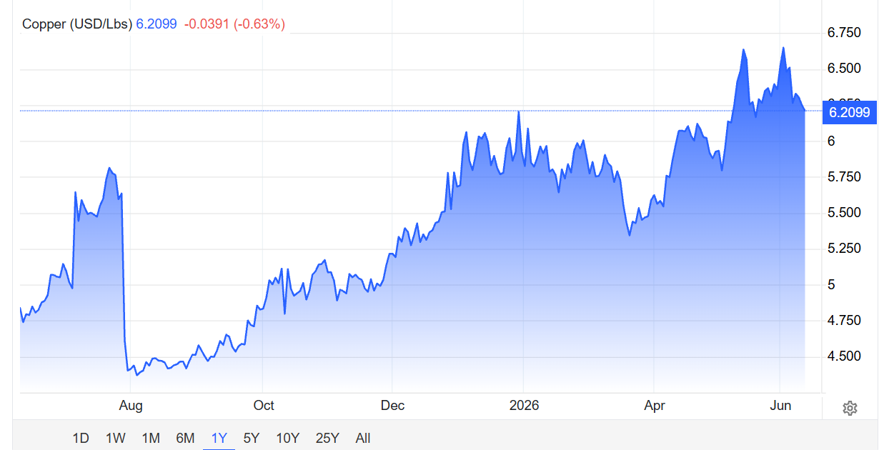
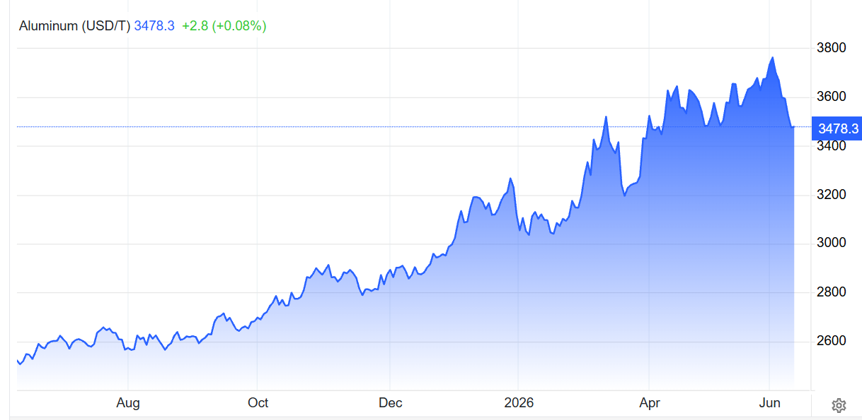

 | Street Estimates

 | Motilal Oswal | FY27E | FY28E
 | Sales (Mn) | 143733 | 166871
 | Raw Material | 109381 | 126655
 | Gross Margin | 23.9% | 24.1%

 | Emkay
 | Gross Margin | 24% | 24%
 | Median Gross Margin | 23.9% | 24.1%

 | Gross Margin Analysis
During FY26, gross margins were declined by 110 bps to 23.1% due to weak summer season and experiencing unseasonal rainfall during peak summer which decreased the demand of air conditioners and thereby affecting sales. Despite inflationary pressures in commodity prices and other rawmaterial inputs and shooting up of exchange rate and closing up of infrstaructure projects gross margins are minimally impacted through entering into price variation clause in project businesses and increasing prices of products.
The raw material constitute ~ 88% of the total cost of goods sold and ~ 78% of the revenue. The raw material like copper, aluminum has faced inflationery pressure in FY2026.
There is constraint in domestic supply of copper in India and thus it is imported from China and other countries to meet demand. There has been increase in commodity prices and as per the management 8% price hike has been realised and additional 5% price increase will be there in the following months due to energy label change regulatory requirements. This would help in maintaining gross margins.
The company has taken short term and long term measures to to achieve supply chain reselience. The company is stating to revise prices of room air conditioners due to increase in commodity prices and depreciating INR.
While historically, the company has posted gross margin ~ 29% - 22% with median of 23.9% in last 10 years. Basis our research the average gross margin of India's top HVAC(Heating Ventilation Air Conditioning) companies is 25% and for global market is 28%.
The reduction in margins during the year FY26 was majorly due to unfavourable weather during peak summer months, we assume that margin will retract to 24% in short term which is also inline with street estimate of ~ 23.9% and converge with global sector margin of 28% in long term.

# | SG&A & EBITDA

 | Revenue Vs SG&A Growth
 | Particulars |  | 2017 | 2018 | 2019 | 2020 | 2021 | 2022 | 2023 | 2024 | 2025 | 2026 | Median | Average
 | Revenue from Operations |  | 4385 | 4639 | 5235 | 5360 | 4264 | 6046 | 7977 | 9685 | 11968 | 12402 | 12.8% | 13.7%
 | Growth YoY % |  |  | 5.8% | 12.8% | 2.4% | -20.5% | 41.8% | 32.0% | 21.4% | 23.6% | 3.6%

 | SG&A |  | 1051 | 918 | 957 | 1059 | 752 | 984 | 1303 | 1628 | 2017 | 1930
 | Growth YoY % |  |  | -12.6% | 4.3% | 10.7% | -29.0% | 30.8% | 32.3% | 25.0% | 23.9% | -4.4% | 10.7% | 9.0%

 | SG&A % Revenue |  | 24.0% | 19.8% | 18.3% | 19.8% | 17.6% | 16.3% | 16.3% | 16.8% | 16.9% | 15.6% | 16.9% | 17.5%

 | Street Estimates

 | EBITDA Margin | FY27E | FY28E
 | Motilal Oswal | 8.1% | 8.4%
 | BOB Capital Markets | 7.20% | 7.50%
 | Emkay | 7.7% | 7.8%
 | Median | 7.7% | 7.8%

In FY26 The company has reported the EBITDA margin of 7.5% as against 7.3% in FY25. The reason for rise in EBITDA margins is because company undertook cost rationalization measures and focused on cost management due to which SG&A % Revenue has fallen to 15.6% from 16.9%.
Management has not given any guidance in respect to EBITDA margins in recent concalls but they have stated that they are optimistic about the prospects for FY27.
The management is increasing 13% price hike due to increase in commodity price and supply chain disruption and some regulatory changes to maintain margins and also stating that overall margins may improve this financial year.
Basis our reasearch we have identified that historically, SG&A % Revenue expenses was 16% - 18% which has been recently reduced to the 10 year low at 15.6%.
The analyst's consensus EBITDA margin is 8% for FY27. We assume that total SG&A % Revenue would be 16% so as to maintain EBITDA of 7.5% - 8%

# | Current Assets

 | Particulars |  | 2017 | 2018 | 2019 | 2020 | 2021 | 2022 | 2023 | 2024 | 2025 | 2026
 | Current Investments |  | 0 | 0 | 0 | 0 | 279 | 145 | 130 | 249 | 414 | 435
 | Inventories |  | 596 | 1017 | 869 | 870 | 882 | 1144 | 1433 | 1407 | 2149 | 2166
 | Trade Receivables |  | 939 | 950 | 1112 | 838 | 811 | 1190 | 1549 | 1953 | 1959 | 2140
 | Cash And Cash Equivalents |  | 97 | 81 | 101 | 294 | 332 | 270 | 247 | 377 | 432 | 402
 | Short Term Loans And Advances |  | 4 | 14 | 11 | 15 | 20 | 3 | 2 | 3 | 5 | 5
 | OtherCurrentAssets |  | 386 | 516 | 567 | 635 | 535 | 732 | 889 | 1051 | 1354 | 1240
 | Total Current Assets |  | 2021 | 2579 | 2661 | 2651 | 2860 | 3483 | 4251 | 5040 | 6313 | 6388

 | Particulars |  | 2017 | 2018 | 2019 | 2020 | 2021 | 2022 | 2023 | 2024 | 2025 | 2026 | Median | Average
 | Current Investments |  | 0.00% | 0.00% | 0.00% | 0.00% | 9.76% | 4.16% | 3.06% | 4.94% | 6.56% | 6.81% | 3.61% | 3.53%
 | Inventories |  | 29.46% | 39.44% | 32.67% | 32.81% | 30.86% | 32.85% | 33.72% | 27.92% | 34.04% | 33.91% | 32.83% | 32.77%
 | Trade Receivables |  | 46.45% | 36.86% | 41.80% | 31.60% | 28.36% | 34.15% | 36.44% | 38.74% | 31.04% | 33.49% | 35.30% | 35.89%
 | Cash And Cash Equivalents |  | 4.78% | 3.14% | 3.79% | 11.09% | 11.62% | 7.74% | 5.82% | 7.49% | 6.84% | 6.29% | 6.57% | 6.86%
 | Short Term Loans And Advances |  | 0.20% | 0.55% | 0.43% | 0.55% | 0.70% | 0.09% | 0.05% | 0.05% | 0.07% | 0.08% | 0.14% | 0.28%
 | OtherCurrentAssets |  | 19.11% | 20.01% | 21.31% | 23.96% | 18.70% | 21.00% | 20.92% | 20.86% | 21.44% | 19.41% | 20.89% | 20.67%
 | Total Current Assets |  | 100% | 100% | 100% | 100% | 100% | 100% | 100% | 100% | 100% | 100%

# | Inventory

 | Particulars |  | 2017 | 2018 | 2019 | 2020 | 2021 | 2022 | 2023 | 2024 | 2025 | 2026 | Median | Average
 | Revenue From Operations |  | 4385 | 4639 | 5235 | 5360 | 4264 | 6046 | 7977 | 9685 | 11968 | 12402
 | Growth YoY % |  |  | 5.8% | 12.8% | 2.4% | -20.5% | 41.8% | 32.0% | 21.4% | 23.6% | 3.6% | 12.8% | 13.7%

 | Inventory |  | 596 | 1017 | 869 | 870 | 882 | 1144 | 1433 | 1407 | 2149 | 2166
 | Growth YoY % |  |  | 70.8% | -14.5% | 0.1% | 1.4% | 29.7% | 25.3% | -1.8% | 52.7% | 0.8% | 1.4% | 18.3%

 | Average Inventory |  |  | 806 | 943 | 870 | 876 | 1013 | 1289 | 1420 | 1778 | 2158 | 1013 | 1239

 | Average Inventory % Revenue |  |  | 17.4% | 18.0% | 16.2% | 20.5% | 16.8% | 16.2% | 14.7% | 14.9% | 17.4% | 16.8% | 16.9%
 | COGS |  |  | 3455 | 3931 | 4018 | 3271 | 4715 | 6182 | 7392 | 9074 | 9542

 | Inventory Turnover Ratio (COGS) |  |  | 4.3x | 4.2x | 4.6x | 3.7x | 4.7x | 4.8x | 5.2x | 5.1x | 4.4x | 4.6x | 4.6x
 | Inventory Turnover Ratio (Revenue) |  |  | 5.8x | 5.6x | 6.2x | 4.9x | 6.0x | 6.2x | 6.8x | 6.7x | 5.7x | 6.0x | 6.0x

 | Inventory Days (COGS) |  |  | 85 Days | 88 Days | 79 Days | 98 Days | 78 Days | 76 Days | 70 Days | 72 Days | 83 Days | 79 Days | 81 Days
 | Inventory Days (Revenue) |  |  | 63 Days | 66 Days | 59 Days | 75 Days | 61 Days | 59 Days | 54 Days | 54 Days | 64 Days | 61 Days | 62 Days
 | 365
 | Peer Inventory Days Analysis
 | Particulars |  | 2017 | 2018 | 2019 | 2020 | 2021 | 2022 | 2023 | 2024 | 2025 | 2026 | Median | Average
 | Bluestar |  |  | 85 Days | 88 Days | 79 Days | 98 Days | 78 Days | 76 Days | 70 Days | 72 Days | 83 Days
 | Voltas |  |  | 65 Days | 76 Days | 97 Days | 84 Days | 103 Days | 79 Days | 79 Days | 83 Days | 113 Days
 | Amber Enterprise |  |  | 83 Days | 88 Days | 72 Days | 104 Days | 87 Days | 68 Days | 56 Days | 74 Days | 90 Days
 | L.G Electronics |  |  | - | - | 80 Days | 99 Days | 75 Days | 69 Days | 59 Days | 67 Days | 63 Days
 | V-Guard Industries |  |  | 70 Days | 75 Days | 105 Days | 124 Days | 129 Days | 87 Days | 83 Days | 88 Days | 79 Days

 | Median |  |  | 77 Days | 82 Days | 80 Days | 99 Days | 87 Days | 76 Days | 70 Days | 74 Days | 83 Days | 80 Days
 | Average |  |  | 76 Days | 82 Days | 87 Days | 102 Days | 94 Days | 76 Days | 69 Days | 77 Days | 86 Days |  | 83 Days

 | Street Estimates

 | Inventory Days | FY27E | FY28E
 | Motilal Oswal (Inventory/Revenue) | 60 Days | 60 Days
 | BOB Capital Markets | 58 Days | 58 Days
 | Median | 59 Days | 59 Days

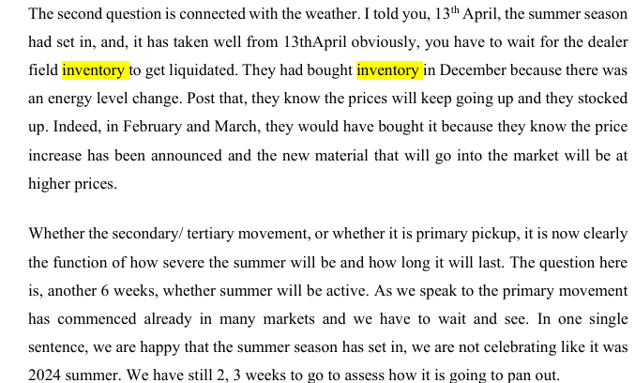

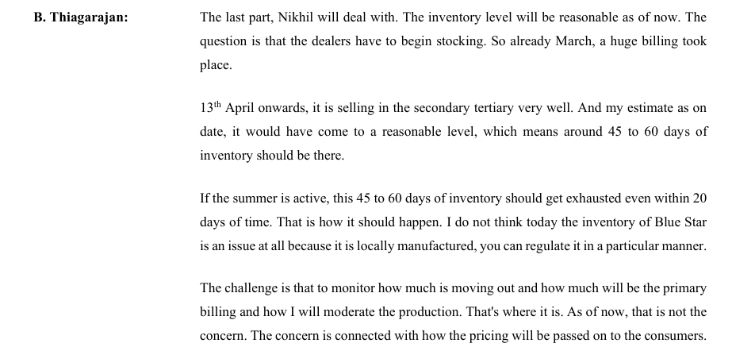

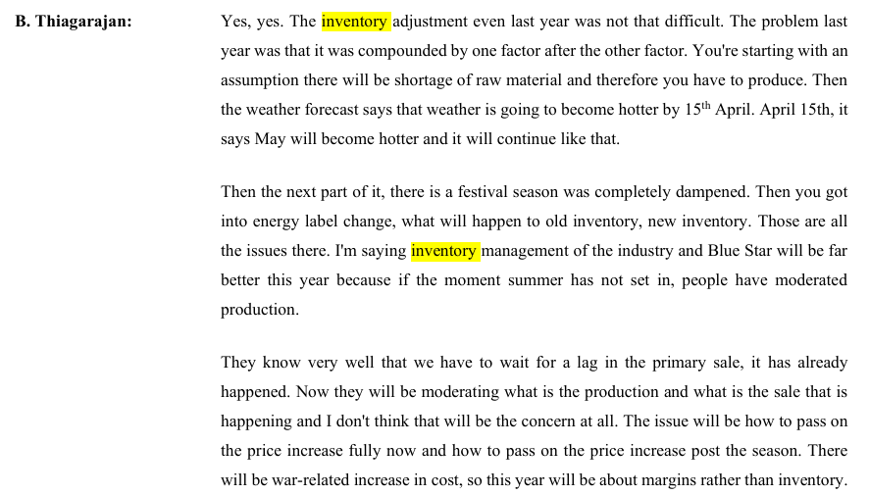

The company expects inventory management to remain under control in FY2027, unlike the previous year when inventory planning was disrupted by multiple external factors such as raw material shortages, unpredictable weather. weaker demand, changes in energy efficiency regulations. Now manufacturers are adopting demand driven production approach adjusting output in line with primary sale trends which will reduce the risk of overstocking.
Historically the company was maintaining the inventory levels ~ 16% - 17% of Revenue, with inventory days being consistent around 80 days.
The peer companies in the market maintain the inventory levels around 80 days which is line with the historical average of the company. Further the street estimates suggests that inventory level (revenue) to remain 59 days for FY27 - FY28. Management has guided that inventory management will be far better this year due to moderate production and production as per demand.
We assumed our inventory levels will be maintained at 75 days from FY2027 to FY2029 and further optimized to 70 days.

# | Trade Recievables

 | Particulars |  | 2017 | 2018 | 2019 | 2020 | 2021 | 2022 | 2023 | 2024 | 2025 | 2026 | Median | Average
 | Revenue From Operations |  | 4385 | 4639 | 5235 | 5360 | 4264 | 6046 | 7977 | 9685 | 11968 | 12402
 | Growth YoY % |  |  | 5.8% | 12.8% | 2.4% | -20.5% | 41.8% | 32.0% | 21.4% | 23.6% | 3.6% | 12.8% | 13.7%

 | Trade Recievables |  | 939 | 950 | 1112 | 838 | 811 | 1190 | 1549 | 1953 | 1959 | 2140
 | Growth YoY % |  |  | 1.2% | 17.0% | -24.7% | -3.2% | 46.7% | 30.2% | 26.1% | 0.3% | 9.2% | 9.2% | 11.4%

 | Average Trade Recievables |  |  | 945 | 1031 | 975 | 824 | 1000 | 1369 | 1751 | 1956 | 2050
 | Average Trade Recievables % Revenue |  |  | 20.4% | 19.7% | 18.2% | 19.3% | 16.5% | 17.2% | 18.1% | 16.3% | 16.5% | 18.1% | 18.0%

 | Recievables Turnover Ratio |  |  | 4.9x | 5.1x | 5.5x | 5.2x | 6.0x | 5.8x | 5.5x | 6.1x | 6.1x | 5.5x | 5.6x

 | Recievables Days |  |  | 74 | 72 | 66 | 71 | 60 | 63 | 66 | 60 | 60 | 66 | 66
 | 365
 | Peer Receivable Days Analysis
 | Particulars |  | 2017 | 2018 | 2019 | 2020 | 2021 | 2022 | 2023 | 2024 | 2025 | 2026 | Median | Average
 | Bluestar |  | 78 Days | 75 Days | 78 Days | 57 Days | 69 Days | 72 Days | 71 Days | 74 Days | 60 Days | 63 Days
 | Voltas |  | 78 Days | 65 Days | 76 Days | 97 Days | 84 Days | 103 Days | 79 Days | 79 Days | 83 Days | 113 Days
 | Amber Enterprise |  | 69 Days | 65 Days | 104 Days | 79 Days | 129 Days | 114 Days | 93 Days | 85 Days | 64 Days | 67 Days
 | L.G Electronics |  |  | - | - | 12 Days | 26 Days | 30 Days | 28 Days | 31 Days | 35 Days | 42 Days
 | V-Guard Industries |  | 68 Days | 70 Days | 75 Days | 105 Days | 124 Days | 129 Days | 87 Days | 83 Days | 88 Days | 79 Days

 | Median |  |  | 65 Days | 76 Days | 88 Days | 104 Days | 109 Days | 83 Days | 81 Days | 74 Days | 73 Days | 81 Days
 | Average |  |  | 67 Days | 85 Days | 73 Days | 91 Days | 94 Days | 72 Days | 70 Days | 68 Days | 75 Days |  | 77 Days

 | Street Estimates

 | Recievable Days | FY27E | FY28E
 | Motilal Oswal (Inventory/Revenue) | 65 Days | 65 Days
 | BOB Capital Markets | 72 Days | 72 Days
 | Median | 69 Days | 69 Days

 | Notes to Consolidated Financial Statements.


 | Receivable Ageing Analysis
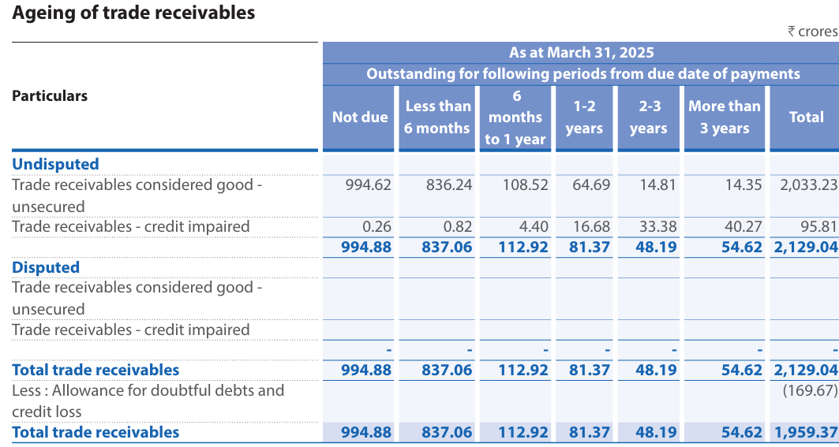

 | . The Group has no concentration of credit risk as the customer base is widely distributed both economically and geographically.

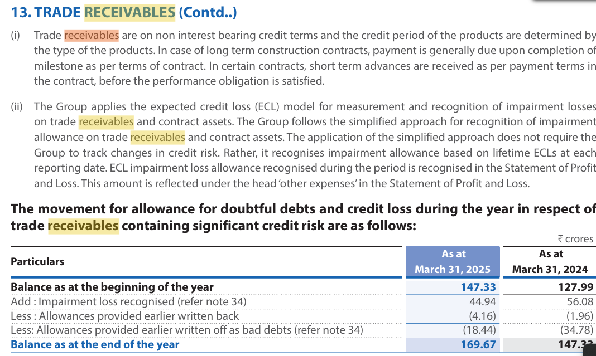

 | Notes to Standalone Financial Statements.

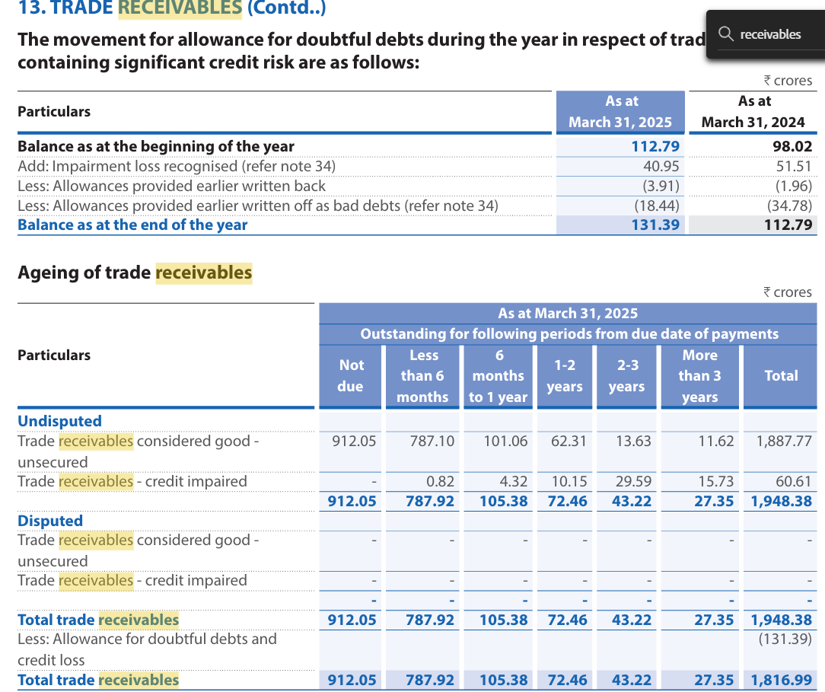

 |  |  |  |  |  |  |  | 7.9%

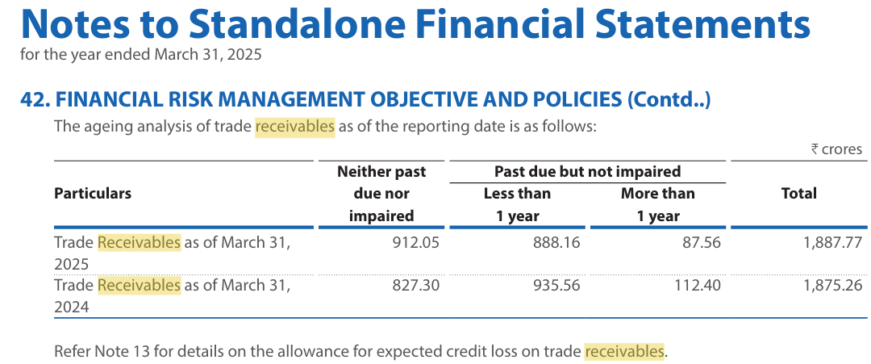

During our analysis, there was no seasonality in the levels of trade receivables observed during the year. The company has robust credut review mechanism and individual credit line assessment for each customer along with tight monitoring on outstanding balances due to which company don't have any concentrated bad debts. As per recent reporting the recievable balance outstanding beyond 1 year is 7.9% of total receivables as on 31st March, 2026t. We don't foresee any significant credit impairment by the company in near future.
Historically the company was maintaining receivables level at 19% - 20% of the revenue pre COVID, since then the company has brought it down to 16.5% in FY2026 with receivable days of 66 days . The peer companies in the market maintain receivable days of 73 days which is higher than 10 years historical average of company's receivable days. Further street estimate suggest the receivable days to remain flat at 69 days which is more than 10 years historical median.
We foresee our receivable levels to be around 65 days.

# | Fixed Assets

 | Particulars |  | 2017 | 2018 | 2019 | 2020 | 2021 | 2022 | 2023 | 2024 | 2025 | 2026 | Median | Average
 | Tangible Fixed Assets (As Reported) |  | 312 | 336 | 350 | 392 | 331 | 391 | 800 | 1071 | 1422 | 1439
 | Intangible Assets |  | 44 | 56 | 50 | 51 | 52 | 42 | 59 | 93 | 113 | 156
 | Total Fixed Assets |  | 356 | 392 | 400 | 444 | 384 | 433 | 859 | 1165 | 1536 | 1595

 | Intangible Assets % Revenue |  | 1.0% | 1.2% | 1.0% | 1.0% | 1.2% | 0.7% | 0.7% | 1.0% | 0.9% | 1.3% | 1.0% | 1.0%

 | Total Assets |  | 2650 | 3236 | 3351 | 3439 | 3549 | 4313 | 5399 | 6618 | 8258 | 8576

 | Fixed Assets % Total Assets |  | 13.4% | 12.1% | 11.9% | 12.9% | 10.8% | 10.0% | 15.9% | 17.6% | 18.6% | 18.6% | 13.2% | 14.2%

 | Revenue from Operations |  | 4385 | 4639 | 5235 | 5360 | 4264 | 6046 | 7977 | 9685 | 11968 | 12402

 | Net Fixed Assets % Revenue |  | 8.1% | 8.5% | 7.6% | 8.3% | 9.0% | 7.2% | 10.8% | 12.0% | 12.8% | 12.9% | 8.7% | 9.7%
 | Fixed Assets (Excluding Intangible Assets) % Revenue |  | 7.1% | 7.2% | 6.7% | 7.3% | 7.8% | 6.5% | 10.0% | 11.1% | 11.9% | 11.6% | 7.5% | 8.7%

 | Change in Fixed Assets |  |  | 36 | 8 | 44 | -60 | 49 | 426 | 306 | 371 | 59
 | Change in Revenue |  |  | 254 | 596 | 125 | -1097 | 1782 | 1932 | 1708 | 2282 | 434

 | Change in Revenue/Change in Fixed Assets |  |  | 7.1x | 72.7x | 2.9x | 18.2x | 36.2x | 4.5x | 5.6x | 6.1x | 7.4x | 7.1x | 17.8x
 | Asset Turnover Ratio |  | 1.7x | 1.4x | 1.6x | 1.6x | 1.2x | 1.4x | 1.5x | 1.5x | 1.4x | 1.4x | 1.5x | 1.5x

 | Change in Fixed Assets |  |  | 36 | 8 | 44 | -60 | 49 | 426 | 306 | 371 | 59
 | Depreciation & Amortization |  | 61 | 64 | 75 | 88 | 92 | 86 | 85 | 98 | 128 | 179

 | Maintainence Capex |  |  | 63.81 | 74.9 | 87.99 | 0 | 85.98 | 84.78 | 97.61 | 128.37 | 178.79
 | Growth Capex |  |  | 0 | 0 | 0 | 0 | 0 | 341.31 | 208.04 | 242.8 | 0

 | Actual Capex
 | Fixed assets purchased (Screener) |  | -107 | -98 | -108 | -86 | -64 | -218 | -360 | -441 | -372 | -329
 | Fixed assets sold (Screener) |  | 1 | 6 | 30 | 5 | 81 | 0 | 178 | 5 | 3 | 7
 | Actual Capex |  | 106 | 92 | 78 | 81 | -17 | 218 | 182 | 436 | 369 | 322

 | Capex% Revenue |  | 2.4% | 2.0% | 1.5% | 1.5% | -0.4% | 3.6% | 2.3% | 4.5% | 3.1% | 2.6% | 2.3% | 2.3%

 | Change in Revenue |  |  | 254 | 596 | 125 | -1097 | 1782 | 1932 | 1708 | 2282 | 434
 | Change in Capex |  |  | -14 | -14 | 3 | -98 | 235 | -36 | 254 | -67 | -47
 |  |  |  | 7.5% | 4.2% | 12.2% | -15.6% | 18.1% | 104.5% | 33.9% | 32.8% | 1.2% | 12.2% | 22%



 | Street estimates

 | Capex | FY27E | FY28E
 | Motilal Oswal | 280 | 300
 | BOB Capital Markets | 250 | 250
 | Emkay | 401 | 469
 | Median | 280 | 300
 | Average | 310 | 340
Historically, the company has done consistent capex of 200+ Crores from 2022 to 2025 and in FY2026 it was around 300+ Crores. The company has provided explicit guidance of 250 to 350 Crores in FY27 and it includes all types of capex. However the Asset turnover ratio is flat at 1.5x for last 10 years. We have analysed the street estimates which is 300 Crores for FY2027 and FY2028.
Based on all the available information and historical average, we have assumed capex to be around 2.1% of revenue for FY 2027-FY2029, 2.3% for FY2030-FY2032 and during the terminal year capex is aligned with depreciation (100% maintenance) for stable growth.

# | CWIP

 | Particulars |  | 2017 | 2018 | 2019 | 2020 | 2021 | 2022 | 2023 | 2024 | 2025 | 2026 | Median | Average
 | Fixed Assets (As Reported) |  | 312 | 336 | 350 | 392 | 331 | 391 | 800 | 1071 | 1422 | 1439
 | CWIP |  | 22 | 18 | 31 | 56 | 68 | 145 | 61 | 108 | 73 | 65
 | CWIP % Fixed Assets |  | 6.9% | 5.5% | 8.8% | 14.4% | 20.6% | 37.1% | 7.6% | 10.1% | 5.2% | 4.5% | 8.2% | 12.1%

 | Street estimates

 | CWIP | FY27E | FY28E
 | Motilal Oswal | 137 | 137
 | BOB Capital Markets | 90 | 103
 | Emkay | 168 | 198
 | Median | 137 | 137
 | Average | 132 | 146
Historically, CWIP was maintained at single digit of 8% of fixed assets which got reduced to 4.5% in FY2026. Basis the overall commentary and conisdering the capex of 250 - 350 Crores in coming years we assume CWIP to be zero.

# | Depreciation (Data sourced from Screener for Analysis)

 | Particulars |  | 2017 | 2018 | 2019 | 2020 | 2021 | 2022 | 2023 | 2024 | 2025 | 2026 | Median | Average
 | Gross Block |  | 438 | 529 | 608 | 734 | 728 | 856 | 1,347 | 1,738 | 2,166 | 1,768
 | Less: Land (Non Depreciable) |  | 23 | 29 | 19 | 19 | 19 | 19 | 20 | 29 | 29
 | Less: Intangibles ( Non Depreciable) |  | 0 | 0 | 0 | 0 | 0 | 0 | 0 | 0 | 0
 | Depreciable Gross Block |  | 415 | 500 | 589 | 715 | 709 | 837 | 1327 | 1709 | 2137
 | Accumulated Depreciation |  | 82 | 137 | 208 | 291 | 344 | 423 | 488 | 573 | 631
 | Net Depreciable Assets |  | 333 | 363 | 381 | 424 | 365 | 414 | 839 | 1136 | 1506

 | Depreciation & Amortization for the year |  | 61 | 64 | 75 | 88 | 92 | 86 | 85 | 98 | 128 | 179

 | Depreciation on Tangible Assets |  | 46 | 46 | 52 | 73 | 74 | 67 | 70 | 78 | 104 | 140
 | Amortization on Intangible assets |  | 14 | 18 | 23 | 15 | 18 | 19 | 15 | 20 | 24 | 39

 | Amortization % Revenue |  | 0.33% | 0.39% | 0.43% | 0.27% | 0.43% | 0.31% | 0.19% | 0.21% | 0.20% | 0.32% |  | 0.31%
 |  |  |  |  |  |  |  |  |  |  |  |  |  | 22.0%
 | Amortization % Total Dep |  | 23.6% | 28.4% | 30.2% | 16.5% | 19.9% | 21.8% | 18.2% | 21.0% | 18.5%

 | Average life of Assets |  | 7 | 8 | 8 | 8 | 8 | 10 | 16 | 18 | 17 |  | 8 | 11
 | Average age of Assets |  | 1 | 2 | 3 | 3 | 4 | 5 | 6 | 6 | 5 |  | 4 | 4
 | % of Assets Depreciated |  | 19.8% | 27.4% | 35.3% | 40.7% | 48.5% | 50.5% | 36.8% | 33.5% | 29.5% |  | 35.3% | 35.8%

 | Depreciation % Net Depreciable Assets |  | 18.2% | 17.6% | 19.7% | 20.8% | 25.3% | 20.8% | 10.1% | 8.6% | 8.5% |  | 18.2% | 16.6%
 | Depreciation % Depreciable Gross Block |  | 14.6% | 12.8% | 12.7% | 12.3% | 13.0% | 10.3% | 6.4% | 5.7% | 6.0% |  | 12.3% | 10.4%
 | Depreciation (Tangible Assets) % Revenue |  | 1.1% | 1.0% | 1.0% | 1.4% | 1.7% | 1.1% | 0.9% | 0.8% | 0.9% |  | 1.0% | 1.1%
 | Amortization (Intangible Assets) % Revenue |  | 0.3% | 0.4% | 0.4% | 0.3% | 0.4% | 0.3% | 0.2% | 0.2% | 0.2% |  | 0.3% | 0.3%

 | Depreciation assumed at 1.1% of revenue (historical basis); rising Depreciation-to-Net-Block ratio reflects improving asset turnover as capex intensity normalizes post-expansion."

# | Current Liablities

 | Particulars |  | 2017 | 2018 | 2019 | 2020 | 2021 | 2022 | 2023 | 2024 | 2025 | 2026 | Median | Average
 | Trade Payables |  | 1177 | 1533 | 1535 | 1582 | 1605 | 2042 | 2511 | 2617 | 3428 | 2943
 | Growth YoY % |  |  | 30.2% | 0.1% | 3.1% | 1.4% | 27.2% | 23.0% | 4.2% | 31.0% | -14.1% | 4.2% | 11.8%

 | COGS |  | 3112 | 3455 | 3931 | 4018 | 3271 | 4715 | 6182 | 7392 | 9074 | 9542
 | Average Trade Payables |  |  | 1355 | 1534 | 1558 | 1594 | 1823 | 2276 | 2564 | 3022 | 3185
 | AverageTrade Payables % COGS |  |  | 39.2% | 39.0% | 38.8% | 48.7% | 38.7% | 36.8% | 34.7% | 33.3% | 33.4% | 38.7% | 38.1%

 | Trade Payable Days (COGS) |  |  | 143 Days | 142 Days | 142 Days | 178 Days | 141 Days | 134 Days | 127 Days | 122 Days | 122 Days | 141 Days | 139 Days
 | 365

 | Trade Payable Days (Revenue) |  |  | 107 Days | 107 Days | 106 Days | 136 Days | 110 Days | 104 Days | 97 Days | 92 Days | 94 Days | 106 Days | 106 Days

 | Revenue |  | 4385 | 4639 | 5235 | 5360 | 4264 | 6046 | 7977 | 9685 | 11968 | 12402
 | Average Trade Payables % Revenue |  |  | 29.2% | 29.3% | 29.1% | 37.4% | 30.2% | 28.5% | 26.5% | 25.3% | 25.7% | 29.1% | 29.0%
 | AverageTrade Receivables % Revenue |  |  | 20.4% | 19.7% | 18.2% | 19.3% | 16.5% | 17.2% | 18.1% | 16.3% | 16.5% | 18.1% | 18.0%

 | Peer Comparison (Screener)

 | Peer Trade Payables Analysis |  | 2017 | 2018 | 2019 | 2020 | 2021 | 2022 | 2023 | 2024 | 2025 | 2026 | Median | Average
 | Bluestar |  | - | 143 Days | 142 Days | 142 Days | 178 Days | 141 Days | 134 Days | 127 Days | 122 Days | 122 Days
 | Voltas |  | 172 Days | 174 Days | 165 Days | 177 Days | 161 Days | 182 Days | 149 Days | 140 Days | 119 Days | 172 Days
 | Amber Enterprise |  | 119 Days | 120 Days | 148 Days | 124 Days | 193 Days | 176 Days | 143 Days | 144 Days | 141 Days | 104 Days
 | L.G Electronics |  |  | - | - | 76 Days | 125 Days | 80 Days | 80 Days | 73 Days | 74 Days | 75 Days
 | V-Guard Industries |  | 54 Days | 74 Days | 72 Days | 66 Days | 93 Days | 68 Days | 55 Days | 56 Days | 65 Days | 65 Days

 | Median |  | 119 Days | 132 Days | 145 Days | 124 Days | 161 Days | 141 Days | 134 Days | 127 Days | 119 Days | 104 Days | 129 Days
 | Average |  | 115 Days | 128 Days | 132 Days | 117 Days | 150 Days | 129 Days | 112 Days | 108 Days | 104 Days | 108 Days |  | 120 Days

 | Street estimates

 | Trade Payables Days | FY27E | FY28E
 | Motilal Oswal (Revenue) | 90 | 90
 | BOB Capital Markets (Revenue) | 115 | 115
 | Median | 103 | 103
 | Average | 103 | 103

 | No management guidance is available

The company has maintained the trade payable days at median of 140 days in last 10 years, before COVID the payable days hovered around 140 days which has been reduced to 122 days in FY2026. The average trade payables is consistently at ~38% of COGS and ~29% of revenue.
The peer companies in the market has maintained the payables of 120 days which is lower than the 10 years historical average of the company. Further the peer estimates suggest that the payable days (revenue) levels to be remain flat at around 100 days.
In absence of management guidance and basis our research, we assume payable days to be 140 days (COGS Basis) & 100 days (Revenue basis)

# | Other Current Liablities
 | We assume that other current liablities other than short term borrowings to remian flat at 2026 levels. The short terms borrowings are separately calculated.

# | Debt

 | Particulars |  | 2017 | 2018 | 2019 | 2020 | 2021 | 2022 | 2023 | 2024 | 2025 | 2026 | Median | Average
 | Long Term Borrowings |  | 20 | 26 | 9 | 48 | 349 | 242 | 162 | 0 | 0 | 0
 | YoY Growth % |  |  | 28.2% | -66.6% | 451.6% | 632.0% | -30.8% | -33.0% | -100.0% | 0.0% | 0.0% | 0.0% | 97.9%
 | Short Term Borrowings |  | 196 | 344 | 336 | 401 | 102 | 236 | 416 | 167 | 199 | 627
 | YoY Growth % |  |  | 75.6% | -2.4% | 19.5% | -74.5% | 130.9% | 76.0% | -59.9% | 19.6% | 214.4% | 19.6% | 44.4%
 | Total Borrowings |  | 216 | 370 | 345 | 449 | 452 | 478 | 578 | 167 | 199 | 627
 | YoY Growth % |  |  | 71.2% | -6.9% | 30.3% | 0.6% | 5.8% | 20.9% | -71.2% | 19.6% | 214.4% | 19.6% | 31.6%

 | LTB % Total Borrowings |  | 9.3% | 7.0% | 2.5% | 10.6% | 77.3% | 50.6% | 28.0% | 0.0% | 0.0% | 0.0% | 7.0% | 19.6%
 | STB % Total borrowings |  | 90.7% | 93.0% | 97.5% | 89.4% | 22.7% | 49.4% | 72.0% | 100.0% | 100.0% | 100.0% | 93.0% | 80.4%

 | Revenue |  | 4385 | 4639 | 5235 | 5360 | 4264 | 6046 | 7977 | 9685 | 11968 | 12402
 |  |  | D
 | LTB % Revenue |  | 0.5% | 0.6% | 0.2% | 0.9% | 8.2% | 4.0% | 2.0% | 0.0% | 0.0% | 0.0% | 0.5% | 1.6%
 | STB % Revenue |  | 4.5% | 7.4% | 6.4% | 7.5% | 2.4% | 3.9% | 5.2% | 1.7% | 1.7% | 5.1% | 4.8% | 4.6%

 | Debt to Equity |  | 0.29x | 0.47x | 0.39x | 0.57x | 0.51x | 0.47x | 0.43x | 0.06x | 0.07x | 0.18x | 0.41x | 0.34x
 | Debt to Total Capital |  | 0.22x | 0.32x | 0.28x | 0.36x | 0.34x | 0.32x | 0.30x | 0.06x | 0.06x | 0.15x | 0.29x | 0.24x
 | Debt to Assets |  | 0.08x | 0.11x | 0.10x | 0.13x | 0.13x | 0.11x | 0.11x | 0.03x | 0.02x | 0.07x | 0.10x | 0.09x
 | Debt to EBITDA |  | 0.97 | 1.39 | 0.99 | 1.59 | 1.88 | 1.38 | 1.17 | 0.25 | 0.23 | 0.67 | 1.08x | 1.05x

 | Long term borrowings to be assumed at 0% of Revenue
 | Short term borrowings to be assumed at 4.5% of Revenue

The management has reduced the debto to neglibile value in past 1 year with Debt to Equity is fixed around 0.34x, Debt to Asset is fixed at 0.09x and Debt to EBITDA is fixed at 1.05x. Then management has not provided any guidance on future debt levels.
In absence of any guidance, we assumed long term borrowings to be assumed at 0% of Revenue and Short term borrowings to be assumed at 4.6% of Revenue.

# | Interest cost
 | Particulars |  | 2017 | 2018 | 2019 | 2020 | 2021 | 2022 | 2023 | 2024 | 2025 | 2026 | Median | Average
 | Total Borrowings |  | 216 | 370 | 345 | 449 | 452 | 478 | 578 | 167 | 199 | 627
 | Interest Cost |  | 16 | 29 | 48 | 29 | 65 | 46 | 55 | 58 | 49 | 72
 | Interest Cost % Total Borrowings |  | 7.5% | 7.8% | 13.9% | 6.6% | 14.3% | 9.7% | 9.5% | 34.9% | 24.5% | 11.5% | 10.6% | 14.0%

# | Dividend
 | Particulars |  | 2017 | 2018 | 2019 | 2020 | 2021 | 2022 | 2023 | 2024 | 2025 | 2026 | Median | Average
 | Total Dividend |  | 2 | 86 | 115 | 230 | 1 | 39 | 96 | 116 | 144 | 185
 | Net Income |  | 122 | 146 | 209 | 141 | 98 | 167 | 400 | 414 | 593 | 527
 | Dividend Payout Ratio |  | 1.6% | 58.8% | 55.0% | 163.5% | 1.0% | 23.4% | 24.0% | 28.0% | 24.3% | 35.1% | 26.2% | 41.5%

WACC Analysis
 | Weighted Average Cost of Capital - Blue Star Ltd
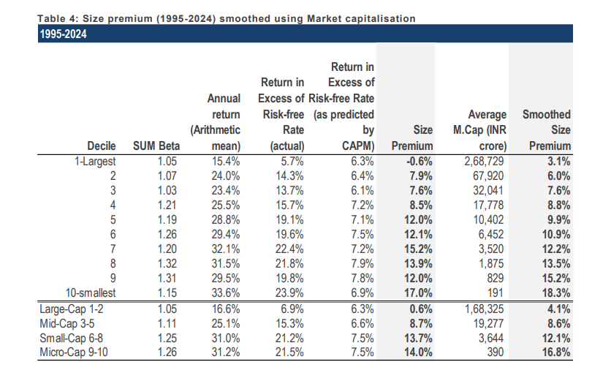
 | Particulars | Low | Mid | High |  | Risk Free Rate

 | Risk Free Rate | 4.77% | 4.77% | 4.77% |  | We have considered 4.77% as the risk free rate in estimation of cost of equity of 7.74%. The risk free rate of India is calculated by considering local currency 10 years government bond yield adjusted for default spread of India.
 | Equity Risk Premium | 6.27% | 6.27% | 6.27%
 | Asset Beta | 0.35 | 0.40 | 0.45
 | D/E Ratio | 18.3% | 18.3% | 18.3%
 | Equity Beta | 0.40 | 0.47 | 0.53 |  | Asset Beta
 | CAPM Cost of Equity | 7.26% | 7.74% | 8.11% |  | We have estimated an asset beta range of 0.35 to 0.45, with a mid point of 0.40 based on observed median of 5 year monthly asset beta of benchmark listed companies adjusted for blume effect.

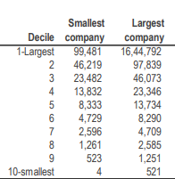
 | Small Size Premium | 7.6% | 7.6% | 7.6%
 | Asset Specific Premium | 0.0% | 0.0% | 0.0%
 | Modified Cost of Equity | 14.86% | 15.34% | 15.71% |  | Equity Risk Premium (ERP)
 |  |  |  |  |  | An ERP of 6.27% has been adopted based on US Implied Equity Risk Premium, relative equity volatility of ICE BoFA Public Sector Issuers Emerging Mkts Index, S&P Emerging BMI Index and country risk premium of India.
 | Pre Tax Cost of Debt | 7.26% | 7.26% | 7.26%
 | Marginal Tax Rate | 25% | 25% | 25%
 | Post Tax Cost of Debt | 5.44% | 5.44% | 5.44%
 |  |  |  |  |  | Cost of Debt
 | Capital Gearing (D/D+E) | 15% | 15% | 15% |  | For the purpose of assessing the cost of debt we have used country's risk free rate and country's deafult spread and corporate default spread based on company's debt rating and interest coverage ratio
 | Weighted Average Cost of Capital | 13.41% | 13.81% | 14.12%
 | Weighted Average Cost of Capital (Rounded) | 14.00% | 14.00% | 15.00%

 | 1. Tax rate is considered the Marginal Tax Rate of India 2. Asset Beta is considered the median of the 5-year beta of comps adjusted for the Blume effect 3. Equity Beta = Asset Beta * (1+(1-Tax Rate%)*Debt/Equity) |  |  |  |  | Small Size Premium
 |  |  |  |  |  | Empirically, small-sized assets have exceeded the returns compared to large-sized assets. We have used the study on size premium conducted by Incwert, which is based on the difference between actual returns and CAPM expected returns arranged on a decile basis by market capitalization of Indian companies.

 | Blue Star Ltd
# | Beta Analysis - 2 Years Weekly |  |  |  |  |  |  |  |  | 25.12%
 | Comparable Company | Ticker | No of weekly Observations | Market Cap (Crores) | Asset Beta | 2 Years Avg D/E | Equity Beta | 2 Years avg D/D+E | Considered? | Narrow set
 |  |  |  |  |  |  |  |  |  |  | Y
 | Voltas | VOLTAS.NS | 104 | 44,918 | 1.16 | 6.8% | 1.22 | 6.38% | Y | TRUE | N
 | Amber Enterprise | AMBER.NS | 104 | 28,014 | 0.63 | 50.8% | 0.87 | 33.64% | N | FALSE
 | V-Guard Industries | VGUARD.NS | 104 | 13,603 | 0.67 | 6.2% | 0.70 | 5.86% | Y | TRUE
 | Crompton Gr. Con | CROMPTON.NS | 104 | 17,827 | 0.68 | 9.1% | 0.73 | 8.27% | Y | TRUE
 | Carrier | CARR | 104 | 5,772 | 0.80 | 87.8% | 1.32 | 50.72% | N | FALSE
 | BOSCH-HCIL | BOSCH-HCIL.NS | 104 | 3,828 | 0.71 | 5.5% | 0.74 | 5.16% | Y | TRUE

 | Median - Broad Set |  |  |  | 0.70 | 8.0% | 0.80 | 7.3%
 | Average: Broad Set |  |  |  | 0.77 | 27.7% | 0.93 | 18.3%

 | Median - Considered Set |  |  |  | 0.70 | 6.5% | 0.73 | 6.1%
 | Average: Considered Set |  |  |  | 0.81 | 6.9% | 0.85 | 6.4%

# | Beta Analysis - 5 Years Monthly |  |  |  |  |  |  |  |  | 25.12%
 | Comparable Company | Ticker | No of Monthly Observations | Market Cap (Crores) | Asset Beta | 5 Years Avg D/E | Equity Beta | 5 Years avg D/D+E | Considered? | Narrow set

 | Voltas | VOLTAS.NS | 60 | 44,918 | 0.12 | 4.5% | 0.12 | 4.27% | Y | TRUE
 | Amber Enterprise | AMBER.NS | 60 | 28,014 | 0.13 | 39.5% | 0.17 | 28.32% | N | FALSE
 | V-Guard Industries | VGUARD.NS | 60 | 13,603 | 0.02 | 14.1% | 0.02 | 12.35% | Y | TRUE
 | Crompton Gr. Con | CROMPTON.NS | 60 | 17,827 | 0.23 | 18.2% | 0.26 | 15.43% | Y | TRUE
 | Carrier | CARRIER | 60 | 5,772 | 0.71 | 119.6% | 1.34 | 61.13% | N | FALSE
 | BOSCH-HCIL | BOSCH-HCIL.NS | 60 | 3,828 | 0.56 | 10.5% | 0.60 | 9.48% | Y | TRUE

 | Median - Broad Set |  |  |  | 0.18 | 16.2% | 0.22 | 13.9%
 | Average: Broad Set |  |  |  | 0.29 | 34.4% | 0.42 | 21.8%

 | Median - Considered Set |  |  |  | 0.17 | 12% | 19% | 11%
 | Average: Considered Set |  |  |  | 0.18 | 29% | 22% | 22%

# | Blume Beta Analysis - 5 Years Monthly | 2/3* Beta + 1/3*Market Beta |  |  |  |  |  |  |  | 25.12%
 | Comparable Company | Ticker | No of Monthly Observations | Market Cap (Crores) | Asset Beta | 5 Years Avg D/E | Equity Beta | 5 Years avg D/D+E | Considered? | Narrow set

 | Voltas | VOLTAS.NS | 60 | 44,918 | 0.40 | 4.5% | 0.41 | 4.27% | Y | TRUE
 | Amber Enterprise | AMBER.NS | 60 | 28,014 | 0.34 | 39.5% | 0.44 | 28.32% | N | FALSE
 | V-Guard Industries | VGUARD.NS | 60 | 13,603 | 0.31 | 14.1% | 0.34 | 12.35% | Y | TRUE
 | Crompton Gr. Con | CROMPTON.NS | 60 | 17,827 | 0.44 | 18.2% | 0.50 | 15.43% | Y | TRUE
 | Carrier | CARRIER | 60 | 5,772 | 0.65 | 119.6% | 1.22 | 61.13% | N | FALSE
 | BOSCH-HCIL | BOSCH-HCIL.NS | 60 | 3,828 | 0.68 | 10.5% | 0.73 | 9.48% | Y | TRUE

 | Median - Broad Set |  |  |  | 0.42 | 16.2% | 0.47 | 13.9%
 | Average: Broad Set |  |  |  | 0.47 | 34.4% | 0.61 | 21.8%

 | Median - Considered Set |  |  |  | 0.42 | 12.3% | 0.46 | 10.9%
 | Average: Considered Set |  |  |  | 0.46 | 11.8% | 0.50 | 10.4%

 | We are taking 0.40 as asset beta of HVAC unit | (median basis)

 | Source: Investing.com, Topstockresearch.com, Stockanalysis.com, Damodaran

DCF Simulation
MONTECARLO SIMULATION - BLUESTAR LTD - 10000 ITERATIONS

Simulation Parameters
Parameter | Distribution | Min | Max | Mean | Standard deviation
Revenue Growth | Normal | 3.6% | 41.8% | 22.7% | 9.6%
EBITDA Margin | Normal | 5.1% | 7.5% | 6.3% | 0.6%
WACC | Normal | 14.0% | 15.0% | 14.5% | 0.2%
PGR | Normal | 2.0% | 6.0% | 4.0% | 1.0%

Engine Inputs
Base Revenue | ₹ 12,402
Net Equity Bridge | ₹ 693
Shares Outstanding | 20.6
CMP | ₹ 1,605

Simulation Results |  |  |  |  |  |  |  | Summary Statistics
# | Revenue Growth | EBITDA Margin | WACC | PGR | Enterprise Value | Equity Value | Price/Share | Current Market Price | ₹ 1,605
1 | 13.3% | 6.1% | 14.5% | 4.7% | 8803 | 9497 | 461 | Mean Price | ₹ 484
2 | 36.6% | 6.1% | 14.3% | 4.5% | 10503 | 11196 | 544 | Median Price | ₹ 478
3 | 28.6% | 6.6% | 14.7% | 5.9% | 11954 | 12648 | 614 | Standard Deviation (In Rs) | ₹ 76
4 | 44.7% | 7.4% | 14.3% | 3.2% | 12096 | 12789 | 621 | Minimum Price (In Rs) | ₹ 265
5 | 19.3% | 5.8% | 14.3% | 5.4% | 9672 | 10365 | 503 | Maximum Price (In Rs) | ₹ 818
6 | 28.5% | 6.1% | 14.8% | 4.8% | 9616 | 10309 | 500 | 25th Percentile | ₹ 428
7 | 29.2% | 6.1% | 14.3% | 5.5% | 11096 | 11789 | 572 | 75th Percentile | ₹ 532
8 | 16.9% | 6.8% | 14.0% | 3.6% | 9571 | 10264 | 498 | 5th Percentile (Bear Case) | ₹ 370
9 | 21.7% | 5.1% | 13.9% | 3.0% | 7010 | 7703 | 374 | 95th Percentile (Bull Case) | ₹ 619
10 | 45.1% | 6.3% | 14.8% | 3.2% | 9826 | 10520 | 511 | % above Current Market Price | 0.00%
11 | 27.6% | 5.7% | 14.4% | 3.2% | 8072 | 8765 | 425 | Mean Enterprise Value | ₹ 9,267
12 | 17.5% | 6.5% | 14.7% | 4.6% | 9374 | 10067 | 489 | Median Enterprise Value | ₹ 9,147
13 | 23.0% | 5.6% | 14.4% | 4.6% | 8686 | 9379 | 455
Monte Carlo Simulation – Blue Star
14 | 28.0% | 5.9% | 14.2% | 6.0% | 11400 | 12093 | 587
15 | 20.8% | 6.2% | 14.6% | 3.8% | 8666 | 9359 | 454 | Histogram (Rs 100 Bins)
16 | 26.1% | 6.2% | 14.8% | 5.3% | 10257 | 10950 | 532 | Bin (<=) | Count | CMP
17 | 21.0% | 6.0% | 14.4% | 3.3% | 8112 | 8806 | 427 | 200 | 0 | 1605
18 | 14.5% | 5.9% | 14.7% | 5.8% | 9392 | 10085 | 490 | 300 | 9 | 1605
19 | 15.0% | 5.8% | 14.8% | 5.6% | 8841 | 9534 | 463 | 400 | 1301 | 1605
20 | 14.1% | 6.4% | 14.1% | 3.5% | 8545 | 9238 | 448 | 500 | 4828 | 1605
21 | 19.8% | 7.9% | 14.6% | 4.3% | 11448 | 12141 | 589 | 600 | 3107 | 1605
22 | 33.0% | 6.5% | 14.4% | 4.3% | 10595 | 11289 | 548 | 700 | 698 | 1605
23 | 28.1% | 5.9% | 14.7% | 2.8% | 7812 | 8505 | 413 | 800 | 55 | 1605
24 | 27.8% | 6.9% | 14.6% | 4.8% | 11200 | 11893 | 577 | 900 | 2 | 1605
25 | 34.2% | 5.9% | 14.4% | 5.5% | 11000 | 11693 | 568 | 1000 | 0 | 1605
26 | 29.8% | 6.4% | 14.2% | 2.8% | 9101 | 9795 | 475 | 1100 | 0 | 1605
27 | 22.3% | 6.4% | 14.4% | 2.6% | 8216 | 8909 | 432 | 1200 | 0 | 1605
28 | 12.3% | 6.0% | 14.9% | 5.5% | 8927 | 9620 | 467 | 1300 | 0 | 1605
29 | 50.7% | 6.0% | 14.6% | 4.5% | 11135 | 11828 | 574
30 | 22.6% | 6.6% | 14.5% | 5.6% | 11214 | 11907 | 578
31 | 9.7% | 6.7% | 14.5% | 5.8% | 10328 | 11021 | 535
32 | 17.6% | 6.4% | 15.1% | 4.0% | 8467 | 9160 | 445
33 | 31.5% | 6.6% | 14.1% | 3.5% | 10209 | 10902 | 529
34 | 25.9% | 5.9% | 14.5% | 3.3% | 8121 | 8814 | 428
35 | 14.4% | 6.3% | 14.6% | 3.5% | 8007 | 8700 | 422
36 | 27.8% | 6.2% | 14.1% | 3.6% | 9390 | 10084 | 489
37 | 18.7% | 5.7% | 14.7% | 5.3% | 8859 | 9552 | 464
38 | 9.9% | 6.7% | 14.5% | 5.3% | 9848 | 10541 | 512
39 | 44.2% | 7.3% | 14.6% | 4.7% | 13110 | 13804 | 670
40 | 16.1% | 7.0% | 14.7% | 4.0% | 9419 | 10113 | 491
41 | 37.0% | 6.3% | 14.5% | 6.0% | 12500 | 13194 | 640
42 | 21.2% | 6.2% | 14.4% | 5.7% | 10728 | 11421 | 554
43 | 18.3% | 6.2% | 14.5% | 3.1% | 7940 | 8633 | 419
44 | 10.7% | 6.7% | 14.7% | 3.9% | 8474 | 9168 | 445
45 | 46.7% | 6.6% | 14.5% | 2.5% | 9968 | 10661 | 518
46 | 32.9% | 6.6% | 14.7% | 2.5% | 8941 | 9634 | 468
47 | 23.0% | 6.7% | 14.4% | 4.9% | 10845 | 11538 | 560
48 | 36.0% | 7.0% | 14.3% | 3.7% | 11086 | 11779 | 572
49 | 10.0% | 7.8% | 14.9% | 5.9% | 11962 | 12655 | 614
50 | 17.4% | 5.7% | 14.4% | 5.7% | 9618 | 10311 | 501
51 | 22.9% | 5.8% | 14.4% | 3.7% | 8276 | 8969 | 435
52 | 25.3% | 6.1% | 14.8% | 2.4% | 7731 | 8424 | 409
53 | 22.4% | 4.8% | 14.6% | 5.1% | 7671 | 8364 | 406
54 | 29.4% | 6.1% | 14.5% | 3.9% | 9263 | 9956 | 483
55 | 10.7% | 5.1% | 14.6% | 3.6% | 6340 | 7033 | 341
56 | 36.1% | 6.7% | 14.8% | 3.5% | 9974 | 10668 | 518
57 | 11.3% | 4.4% | 14.6% | 4.3% | 5826 | 6519 | 316
58 | 29.3% | 7.0% | 14.3% | 4.3% | 11192 | 11885 | 577
59 | 22.7% | 7.1% | 14.6% | 2.3% | 8842 | 9535 | 463
60 | 28.7% | 5.7% | 14.7% | 2.7% | 7630 | 8323 | 404
61 | 18.9% | 5.4% | 14.1% | 2.5% | 6867 | 7560 | 367
62 | 26.1% | 6.3% | 14.4% | 4.2% | 9617 | 10310 | 500
63 | 14.9% | 6.9% | 14.2% | 5.1% | 10851 | 11544 | 560
64 | 21.5% | 7.4% | 14.1% | 5.1% | 12339 | 13032 | 633
65 | 25.9% | 6.3% | 14.2% | 2.7% | 8575 | 9268 | 450
66 | 9.2% | 6.6% | 14.3% | 4.0% | 8650 | 9343 | 454
67 | 10.9% | 6.9% | 14.9% | 4.3% | 8966 | 9659 | 469
68 | 18.5% | 5.8% | 14.7% | 4.3% | 8200 | 8893 | 432
69 | 12.4% | 5.1% | 14.4% | 3.8% | 6700 | 7393 | 359
70 | 26.1% | 6.0% | 14.7% | 4.7% | 9388 | 10081 | 489
71 | 29.9% | 6.4% | 14.6% | 3.3% | 9112 | 9805 | 476
72 | 19.8% | 6.0% | 14.4% | 4.5% | 8957 | 9650 | 468
73 | 19.2% | 5.6% | 14.4% | 5.0% | 8797 | 9490 | 461
74 | 19.7% | 6.5% | 14.6% | 5.8% | 10878 | 11571 | 562
75 | 18.1% | 6.1% | 14.6% | 5.1% | 9416 | 10109 | 491
76 | 39.6% | 6.4% | 14.5% | 5.0% | 11580 | 12273 | 596
77 | 21.8% | 5.3% | 14.3% | 3.9% | 7758 | 8451 | 410
78 | 22.5% | 5.4% | 14.4% | 4.8% | 8531 | 9225 | 448
79 | 15.2% | 6.4% | 14.5% | 2.6% | 7647 | 8341 | 405
80 | 27.1% | 6.4% | 14.2% | 2.2% | 8352 | 9045 | 439
81 | 9.4% | 6.5% | 14.0% | 5.4% | 10320 | 11013 | 535
82 | 37.2% | 7.0% | 14.8% | 2.5% | 9597 | 10290 | 500
83 | 27.1% | 5.4% | 15.1% | 2.4% | 6650 | 7343 | 356
84 | 27.4% | 5.8% | 14.5% | 4.5% | 9183 | 9877 | 479
85 | 41.0% | 6.6% | 14.6% | 3.5% | 10397 | 11090 | 538
86 | 15.2% | 6.5% | 14.5% | 3.5% | 8408 | 9101 | 442
87 | 22.6% | 6.2% | 14.8% | 5.7% | 10449 | 11142 | 541
88 | 23.5% | 5.4% | 14.3% | 5.7% | 9668 | 10361 | 503
89 | 35.5% | 5.8% | 14.6% | 2.7% | 8245 | 8938 | 434
90 | 34.6% | 7.1% | 15.1% | 4.4% | 10944 | 11637 | 565
91 | 26.6% | 7.1% | 14.3% | 2.9% | 9834 | 10528 | 511
92 | 6.7% | 5.1% | 14.4% | 4.4% | 6766 | 7460 | 362
93 | 13.0% | 6.2% | 14.6% | 5.4% | 9420 | 10114 | 491
94 | 26.3% | 6.4% | 14.4% | 2.1% | 8183 | 8876 | 431
95 | 20.0% | 5.9% | 14.5% | 2.8% | 7488 | 8182 | 397
96 | 19.3% | 6.7% | 14.7% | 3.6% | 8912 | 9605 | 466
97 | 33.0% | 6.6% | 14.3% | 5.6% | 12538 | 13231 | 642
98 | 26.5% | 6.2% | 14.2% | 5.8% | 11486 | 12179 | 591
99 | 24.0% | 6.6% | 14.7% | 3.8% | 9249 | 9942 | 483
100 | 23.9% | 8.0% | 14.6% | 2.9% | 10472 | 11166 | 542
101 | 13.0% | 6.2% | 14.7% | 3.1% | 7576 | 8269 | 401
102 | 21.6% | 6.6% | 15.0% | 4.4% | 9384 | 10077 | 489
103 | 32.4% | 6.3% | 14.3% | 5.4% | 11696 | 12389 | 601
104 | 15.2% | 5.8% | 14.6% | 5.1% | 8725 | 9418 | 457
105 | 25.4% | 6.1% | 14.3% | 4.4% | 9648 | 10341 | 502
106 | 18.7% | 6.6% | 14.6% | 2.4% | 7948 | 8641 | 419
107 | 19.5% | 5.6% | 15.0% | 4.1% | 7599 | 8292 | 403
108 | 23.8% | 5.6% | 14.7% | 2.4% | 6946 | 7639 | 371
109 | -1.6% | 6.3% | 14.0% | 2.9% | 6886 | 7579 | 368
110 | 30.0% | 7.5% | 14.3% | 3.6% | 11332 | 12026 | 584
111 | 22.3% | 6.2% | 14.7% | 5.6% | 10369 | 11062 | 537
112 | 44.9% | 5.5% | 14.7% | 5.7% | 11140 | 11833 | 574
113 | 20.0% | 5.2% | 14.2% | 4.1% | 7683 | 8376 | 407
114 | 15.4% | 6.2% | 14.8% | 2.8% | 7420 | 8113 | 394
115 | 23.8% | 6.6% | 15.0% | 3.2% | 8505 | 9198 | 447
116 | 12.3% | 6.6% | 14.3% | 3.7% | 8672 | 9366 | 455
117 | 42.7% | 6.9% | 14.2% | 4.0% | 12040 | 12733 | 618
118 | 25.3% | 5.7% | 14.1% | 5.6% | 10422 | 11115 | 540
119 | 41.0% | 6.5% | 14.2% | 2.4% | 9554 | 10247 | 497
120 | 19.5% | 6.5% | 14.0% | 5.9% | 11880 | 12573 | 610
121 | 18.5% | 6.8% | 14.7% | 4.4% | 9702 | 10395 | 505
122 | 10.3% | 5.6% | 14.7% | 2.5% | 6188 | 6881 | 334
123 | 37.3% | 6.2% | 14.6% | 5.9% | 12109 | 12802 | 621
124 | 20.2% | 5.7% | 14.5% | 2.9% | 7358 | 8051 | 391
125 | 25.5% | 6.0% | 14.9% | 5.7% | 10234 | 10928 | 530
126 | 28.2% | 6.1% | 14.7% | 5.9% | 11040 | 11733 | 570
127 | 34.4% | 5.8% | 14.6% | 4.0% | 9245 | 9938 | 482
128 | 25.3% | 6.3% | 14.4% | 3.6% | 9029 | 9722 | 472
129 | 21.4% | 5.9% | 14.3% | 2.4% | 7407 | 8100 | 393
130 | 24.6% | 6.3% | 14.4% | 5.2% | 10588 | 11281 | 548
131 | 37.1% | 6.8% | 14.7% | 3.3% | 10118 | 10811 | 525
132 | 12.3% | 5.8% | 14.4% | 2.4% | 6800 | 7493 | 364
133 | 31.3% | 7.3% | 14.6% | 2.8% | 10062 | 10756 | 522
134 | 10.5% | 6.5% | 14.4% | 3.5% | 8208 | 8901 | 432
135 | 41.8% | 6.6% | 14.7% | 5.0% | 11865 | 12558 | 610
136 | 24.6% | 5.9% | 14.3% | 2.8% | 7994 | 8687 | 422
137 | 22.6% | 6.9% | 14.7% | 3.8% | 9564 | 10257 | 498
138 | 20.9% | 6.1% | 14.9% | 5.6% | 9749 | 10442 | 507
139 | 24.7% | 6.1% | 14.2% | 3.9% | 9160 | 9853 | 478
140 | 17.3% | 5.9% | 14.5% | 5.7% | 9770 | 10463 | 508
141 | 25.3% | 5.6% | 14.4% | 2.1% | 7070 | 7763 | 377
142 | 22.7% | 6.3% | 14.3% | 2.3% | 7961 | 8654 | 420
143 | 32.4% | 5.0% | 14.6% | 4.0% | 7772 | 8465 | 411
144 | 10.0% | 5.7% | 15.2% | 2.4% | 6061 | 6754 | 328
145 | 29.4% | 5.8% | 14.4% | 4.6% | 9478 | 10171 | 494
146 | 23.2% | 7.4% | 14.7% | 5.2% | 12031 | 12724 | 618
147 | 22.1% | 6.1% | 14.4% | 4.9% | 9804 | 10497 | 510
148 | 19.6% | 7.3% | 14.2% | 2.5% | 9276 | 9970 | 484
149 | 43.7% | 5.6% | 14.4% | 5.9% | 11760 | 12453 | 605
150 | 17.6% | 6.9% | 14.4% | 3.4% | 9231 | 9924 | 482
151 | 21.4% | 7.2% | 14.2% | 4.3% | 10823 | 11516 | 559
152 | 26.3% | 6.2% | 14.3% | 3.5% | 8843 | 9536 | 463
153 | 32.1% | 7.2% | 14.5% | 4.8% | 12039 | 12732 | 618
154 | -0.6% | 5.8% | 14.6% | 4.2% | 6851 | 7544 | 366
155 | 30.0% | 5.8% | 14.5% | 3.8% | 8731 | 9425 | 458
156 | -0.2% | 6.1% | 14.5% | 4.5% | 7607 | 8300 | 403
157 | 22.3% | 7.7% | 14.6% | 2.2% | 9455 | 10148 | 493
158 | 24.4% | 6.6% | 14.1% | 2.8% | 8962 | 9655 | 469
159 | 11.0% | 6.3% | 14.9% | 3.9% | 7790 | 8483 | 412
160 | 15.1% | 6.1% | 14.6% | 4.0% | 8221 | 8914 | 433
161 | 7.1% | 6.5% | 14.4% | 3.2% | 7747 | 8441 | 410
162 | 39.4% | 6.0% | 14.1% | 5.6% | 12205 | 12898 | 626
163 | 31.2% | 6.3% | 14.7% | 5.2% | 10867 | 11560 | 561
164 | 15.9% | 5.3% | 14.4% | 4.1% | 7432 | 8125 | 394
165 | 41.3% | 5.4% | 14.7% | 3.0% | 8061 | 8754 | 425
166 | 34.2% | 6.6% | 14.3% | 4.1% | 10706 | 11400 | 553
167 | 31.2% | 6.3% | 14.5% | 4.1% | 9903 | 10596 | 514
168 | 20.6% | 6.7% | 14.9% | 4.7% | 9895 | 10588 | 514
169 | 23.0% | 6.9% | 14.6% | 4.8% | 10691 | 11384 | 553
170 | 21.2% | 5.2% | 14.5% | 4.4% | 7695 | 8388 | 407
171 | 22.7% | 6.4% | 14.6% | 3.8% | 9019 | 9712 | 471
172 | 17.3% | 6.0% | 14.3% | 3.7% | 8251 | 8944 | 434
173 | 32.5% | 6.1% | 14.1% | 4.7% | 10571 | 11264 | 547
174 | 26.1% | 5.7% | 14.5% | 4.1% | 8532 | 9225 | 448
175 | 35.6% | 6.6% | 14.4% | 5.9% | 13039 | 13733 | 667
176 | 25.2% | 5.5% | 14.4% | 2.3% | 7077 | 7771 | 377
177 | 21.0% | 6.1% | 14.4% | 3.6% | 8377 | 9070 | 440
178 | 19.7% | 6.5% | 14.2% | 4.1% | 9510 | 10203 | 495
179 | 28.3% | 6.0% | 14.5% | 3.0% | 8287 | 8980 | 436
180 | 9.4% | 5.7% | 15.0% | 4.3% | 7284 | 7977 | 387
181 | 33.3% | 5.8% | 14.5% | 5.1% | 10158 | 10852 | 527
182 | 14.0% | 6.4% | 14.7% | 4.9% | 9177 | 9870 | 479
183 | 15.4% | 6.1% | 14.5% | 6.0% | 10265 | 10958 | 532
184 | 11.7% | 6.5% | 14.3% | 5.0% | 9613 | 10306 | 500
185 | 21.2% | 7.2% | 14.8% | 2.4% | 8748 | 9442 | 458
186 | 27.3% | 6.7% | 14.2% | 3.0% | 9533 | 10226 | 496
187 | 20.1% | 6.3% | 14.4% | 3.3% | 8404 | 9097 | 442
188 | 21.6% | 5.0% | 14.5% | 3.1% | 6652 | 7346 | 357
189 | 18.1% | 6.4% | 14.7% | 2.1% | 7464 | 8157 | 396
190 | 17.4% | 6.1% | 14.7% | 5.1% | 9391 | 10084 | 490
191 | 18.0% | 7.0% | 14.3% | 2.6% | 8805 | 9498 | 461
192 | 17.1% | 7.8% | 14.7% | 3.5% | 10112 | 10805 | 525
193 | 34.8% | 5.6% | 14.5% | 4.3% | 9157 | 9850 | 478
194 | 12.4% | 6.4% | 14.4% | 4.7% | 9211 | 9904 | 481
195 | 6.0% | 7.3% | 14.4% | 4.6% | 9860 | 10554 | 512
196 | 19.7% | 5.8% | 15.1% | 3.6% | 7477 | 8170 | 397
197 | 19.1% | 5.9% | 14.6% | 2.3% | 7131 | 7824 | 380
198 | 39.7% | 6.4% | 14.9% | 2.2% | 8711 | 9404 | 456
199 | 10.7% | 5.4% | 14.2% | 3.6% | 6966 | 7659 | 372
200 | 16.0% | 6.2% | 14.5% | 5.9% | 10417 | 11110 | 539
201 | 22.1% | 6.5% | 14.6% | 5.5% | 10823 | 11516 | 559
202 | 17.7% | 6.1% | 14.3% | 5.7% | 10348 | 11041 | 536
203 | 20.1% | 5.5% | 14.6% | 5.5% | 9015 | 9708 | 471
204 | 21.0% | 5.6% | 14.3% | 3.9% | 8121 | 8814 | 428
205 | 34.8% | 6.4% | 14.6% | 3.7% | 9766 | 10459 | 508
206 | 29.3% | 6.7% | 14.1% | 2.6% | 9424 | 10117 | 491
207 | 5.7% | 6.9% | 14.2% | 2.6% | 7729 | 8422 | 409
208 | 9.4% | 6.4% | 14.4% | 3.3% | 7895 | 8588 | 417
209 | 23.0% | 6.9% | 14.8% | 5.8% | 11716 | 12409 | 602
210 | 11.8% | 7.5% | 14.4% | 5.1% | 11246 | 11940 | 580
211 | 20.3% | 5.9% | 14.4% | 5.6% | 10029 | 10722 | 520
212 | 21.6% | 7.2% | 14.4% | 5.6% | 12318 | 13011 | 632
213 | 21.4% | 5.4% | 14.5% | 5.1% | 8715 | 9408 | 457
214 | 28.7% | 5.8% | 14.2% | 3.4% | 8587 | 9280 | 450
215 | 17.4% | 5.8% | 14.4% | 5.2% | 9166 | 9859 | 479
216 | 33.2% | 7.6% | 14.6% | 5.8% | 14297 | 14990 | 728
217 | 27.2% | 6.6% | 14.8% | 3.7% | 9383 | 10076 | 489
218 | 19.2% | 6.8% | 14.7% | 5.7% | 11136 | 11829 | 574
219 | 40.0% | 6.4% | 14.6% | 2.5% | 9146 | 9839 | 478
220 | 9.3% | 6.2% | 14.5% | 2.9% | 7188 | 7882 | 383
221 | 16.1% | 6.0% | 14.9% | 2.4% | 6906 | 7599 | 369
222 | 3.2% | 5.3% | 14.4% | 5.3% | 7516 | 8209 | 399
223 | 1.7% | 5.8% | 14.6% | 3.3% | 6426 | 7119 | 346
224 | 19.0% | 5.5% | 14.5% | 4.0% | 7616 | 8309 | 403
225 | 17.7% | 6.1% | 14.4% | 5.9% | 10568 | 11261 | 547
226 | 11.9% | 5.8% | 14.3% | 3.9% | 7663 | 8356 | 406
227 | 32.5% | 5.9% | 14.7% | 2.6% | 7987 | 8680 | 421
228 | 22.0% | 6.3% | 14.2% | 3.3% | 8690 | 9383 | 455
229 | 16.6% | 7.0% | 14.6% | 3.2% | 8944 | 9637 | 468
230 | 13.3% | 6.7% | 14.5% | 2.4% | 7825 | 8518 | 414
231 | 23.4% | 6.0% | 14.9% | 4.2% | 8606 | 9300 | 451
232 | 20.9% | 4.8% | 14.6% | 4.4% | 6970 | 7663 | 372
233 | 9.8% | 5.9% | 14.5% | 3.3% | 7220 | 7913 | 384
234 | 24.5% | 6.4% | 14.5% | 5.5% | 10975 | 11668 | 566
235 | 18.5% | 6.8% | 14.0% | 3.6% | 9596 | 10289 | 499
236 | 18.7% | 7.0% | 14.4% | 2.9% | 8956 | 9650 | 468
237 | 27.4% | 6.1% | 14.4% | 4.5% | 9792 | 10486 | 509
238 | 14.0% | 6.4% | 14.8% | 5.6% | 9831 | 10524 | 511
239 | 25.6% | 5.4% | 15.0% | 4.1% | 7760 | 8454 | 410
240 | 40.8% | 7.2% | 14.4% | 2.1% | 10145 | 10838 | 526
241 | 33.1% | 5.9% | 14.2% | 2.1% | 8051 | 8744 | 424
242 | 33.5% | 7.1% | 14.2% | 3.7% | 11253 | 11946 | 580
243 | 20.4% | 6.1% | 14.5% | 5.6% | 10221 | 10914 | 530
244 | 24.4% | 7.0% | 14.7% | 2.2% | 8600 | 9293 | 451
245 | 37.6% | 6.3% | 14.3% | 3.9% | 10304 | 10997 | 534
246 | 15.5% | 6.6% | 14.8% | 5.2% | 9898 | 10591 | 514
247 | 24.8% | 6.2% | 14.1% | 3.4% | 9022 | 9715 | 472
248 | 30.0% | 6.5% | 14.3% | 4.5% | 10670 | 11363 | 552
249 | 33.1% | 7.5% | 14.1% | 4.4% | 12626 | 13319 | 647
250 | 16.9% | 6.1% | 14.5% | 4.8% | 9071 | 9765 | 474
251 | 22.3% | 6.8% | 14.8% | 4.6% | 10112 | 10805 | 525
252 | 10.4% | 6.3% | 14.4% | 3.0% | 7537 | 8231 | 400
253 | 8.4% | 7.4% | 14.6% | 3.0% | 8611 | 9305 | 452
254 | 15.6% | 6.6% | 14.8% | 2.1% | 7421 | 8114 | 394
255 | 16.3% | 6.1% | 14.5% | 3.2% | 7774 | 8467 | 411
256 | 18.1% | 5.3% | 14.3% | 3.2% | 7025 | 7719 | 375
257 | 14.2% | 6.5% | 14.5% | 4.6% | 9384 | 10077 | 489
258 | 11.0% | 7.2% | 14.6% | 2.2% | 7968 | 8661 | 420
259 | 16.3% | 6.8% | 14.2% | 2.2% | 8136 | 8829 | 429
260 | 6.1% | 7.4% | 15.0% | 2.3% | 7646 | 8339 | 405
261 | 7.4% | 6.4% | 14.4% | 4.8% | 8895 | 9588 | 465
262 | 31.7% | 6.2% | 14.4% | 2.9% | 8758 | 9451 | 459
263 | 39.0% | 7.0% | 14.4% | 4.8% | 12480 | 13174 | 639
264 | 12.3% | 6.1% | 14.0% | 3.3% | 7930 | 8624 | 419
265 | 12.5% | 5.6% | 14.4% | 4.6% | 8047 | 8740 | 424
266 | 27.2% | 6.1% | 14.7% | 5.7% | 10707 | 11400 | 553
267 | 16.5% | 6.4% | 14.1% | 3.5% | 8741 | 9434 | 458
268 | 22.5% | 6.1% | 14.0% | 2.7% | 8107 | 8800 | 427
269 | 21.6% | 5.7% | 14.3% | 2.0% | 7054 | 7747 | 376
270 | 27.8% | 6.7% | 14.4% | 4.4% | 10472 | 11165 | 542
271 | 21.0% | 6.4% | 14.5% | 3.3% | 8654 | 9347 | 454
272 | 21.2% | 5.0% | 14.3% | 2.6% | 6448 | 7141 | 347
273 | 13.9% | 5.0% | 14.1% | 3.7% | 6886 | 7579 | 368
274 | 39.3% | 5.8% | 14.3% | 2.0% | 8180 | 8873 | 431
275 | 14.0% | 6.2% | 14.4% | 3.0% | 7741 | 8434 | 409
276 | 23.1% | 6.1% | 14.8% | 2.4% | 7538 | 8232 | 400
277 | 50.5% | 5.7% | 14.5% | 2.2% | 8588 | 9281 | 451
278 | 44.7% | 5.3% | 14.7% | 5.7% | 10674 | 11368 | 552
279 | -11.1% | 5.5% | 14.3% | 5.9% | 7197 | 7890 | 383
280 | 36.7% | 5.3% | 14.7% | 5.2% | 9467 | 10160 | 493
281 | 25.2% | 5.2% | 14.8% | 4.1% | 7636 | 8329 | 404
282 | 18.9% | 6.9% | 14.9% | 4.4% | 9766 | 10460 | 508
283 | 24.5% | 7.0% | 14.3% | 5.5% | 12216 | 12909 | 627
284 | 16.8% | 6.3% | 14.6% | 4.3% | 8889 | 9583 | 465
285 | 7.4% | 7.2% | 13.9% | 4.8% | 10563 | 11257 | 546
286 | 10.7% | 5.4% | 14.6% | 2.4% | 6066 | 6759 | 328
287 | 23.8% | 6.3% | 14.5% | 5.6% | 10875 | 11568 | 562
288 | 34.5% | 5.7% | 14.4% | 3.2% | 8542 | 9235 | 448
289 | 32.6% | 6.8% | 14.7% | 5.9% | 12582 | 13275 | 644
290 | 17.9% | 6.5% | 14.2% | 2.9% | 8387 | 9081 | 441
291 | 36.0% | 7.4% | 14.9% | 4.7% | 12362 | 13055 | 634
292 | 39.3% | 5.6% | 14.4% | 3.3% | 8686 | 9380 | 455
293 | 16.1% | 6.2% | 14.3% | 3.9% | 8632 | 9325 | 453
294 | 0.3% | 5.8% | 14.3% | 4.3% | 7266 | 7960 | 386
295 | 26.2% | 5.9% | 14.6% | 5.6% | 10208 | 10902 | 529
296 | 29.3% | 4.9% | 14.2% | 4.0% | 7736 | 8429 | 409
297 | 21.1% | 5.5% | 14.7% | 5.9% | 9420 | 10113 | 491
298 | 4.7% | 6.1% | 14.7% | 3.3% | 6948 | 7641 | 371
299 | 23.5% | 7.5% | 14.5% | 3.9% | 10753 | 11447 | 556
300 | 29.2% | 6.6% | 14.3% | 4.0% | 10275 | 10968 | 532
301 | 4.8% | 7.0% | 15.0% | 4.4% | 8566 | 9259 | 449
302 | 36.3% | 6.6% | 14.5% | 4.3% | 10898 | 11591 | 563
303 | 27.7% | 5.0% | 14.1% | 5.6% | 9310 | 10003 | 486
304 | 26.1% | 6.5% | 14.5% | 4.3% | 9899 | 10592 | 514
305 | 22.3% | 5.7% | 14.7% | 5.3% | 9210 | 9903 | 481
306 | 33.0% | 6.8% | 14.5% | 4.0% | 10806 | 11499 | 558
307 | 27.6% | 7.1% | 14.8% | 3.4% | 9855 | 10548 | 512
308 | 20.5% | 5.4% | 14.4% | 3.5% | 7350 | 8043 | 390
309 | 32.6% | 5.7% | 14.3% | 2.1% | 7661 | 8354 | 406
310 | 18.9% | 6.2% | 14.5% | 4.2% | 8858 | 9551 | 464
311 | 30.0% | 7.2% | 14.6% | 2.6% | 9671 | 10365 | 503
312 | 18.0% | 6.5% | 14.0% | 5.6% | 11316 | 12009 | 583
313 | 6.6% | 6.1% | 14.6% | 4.1% | 7697 | 8390 | 407
314 | 29.6% | 6.2% | 14.3% | 4.2% | 9891 | 10584 | 514
315 | 26.3% | 4.9% | 14.6% | 3.4% | 6922 | 7615 | 370
316 | 18.0% | 6.6% | 14.4% | 5.4% | 10721 | 11414 | 554
317 | 23.3% | 6.9% | 14.6% | 3.8% | 9775 | 10468 | 508
318 | 24.7% | 6.1% | 14.4% | 4.1% | 9106 | 9799 | 476
319 | 22.5% | 7.1% | 14.4% | 3.5% | 9805 | 10498 | 510
320 | 27.1% | 6.1% | 14.6% | 3.8% | 8877 | 9570 | 465
321 | 38.0% | 6.0% | 14.9% | 4.2% | 9693 | 10386 | 504
322 | 14.1% | 6.5% | 14.4% | 2.7% | 7837 | 8531 | 414
323 | 27.0% | 7.3% | 14.4% | 5.7% | 13259 | 13952 | 677
324 | 17.4% | 6.3% | 14.7% | 2.6% | 7601 | 8294 | 403
325 | 41.3% | 5.9% | 14.8% | 2.2% | 8307 | 9000 | 437
326 | 21.1% | 5.3% | 14.4% | 5.1% | 8567 | 9260 | 450
327 | 19.7% | 5.6% | 14.4% | 6.0% | 9941 | 10634 | 516
328 | 29.4% | 6.5% | 14.7% | 5.2% | 10966 | 11659 | 566
329 | 17.9% | 6.2% | 14.6% | 3.5% | 8126 | 8819 | 428
330 | 28.1% | 6.6% | 14.0% | 3.0% | 9604 | 10297 | 500
331 | 25.1% | 5.8% | 14.5% | 2.0% | 7224 | 7917 | 384
332 | 39.0% | 6.6% | 14.0% | 2.1% | 9535 | 10229 | 497
333 | 16.3% | 7.0% | 14.1% | 4.1% | 10059 | 10752 | 522
334 | 24.6% | 6.3% | 14.5% | 4.8% | 10031 | 10724 | 521
335 | 36.4% | 5.9% | 14.3% | 2.1% | 8180 | 8873 | 431
336 | 5.5% | 6.8% | 15.1% | 5.6% | 9397 | 10091 | 490
337 | 26.5% | 5.3% | 14.9% | 5.4% | 8831 | 9524 | 462
338 | 34.4% | 5.6% | 14.5% | 3.8% | 8724 | 9417 | 457
339 | 24.0% | 6.2% | 14.6% | 2.8% | 8038 | 8731 | 424
340 | 35.6% | 7.2% | 14.1% | 4.1% | 12064 | 12757 | 619
341 | 35.7% | 6.4% | 14.5% | 4.3% | 10540 | 11233 | 545
342 | 12.6% | 6.2% | 14.3% | 2.0% | 7015 | 7708 | 374
343 | 18.6% | 5.8% | 14.6% | 4.3% | 8280 | 8973 | 436
344 | 19.3% | 4.8% | 14.2% | 3.9% | 6816 | 7509 | 365
345 | 9.9% | 6.4% | 14.4% | 2.9% | 7630 | 8323 | 404
346 | 12.5% | 5.5% | 14.5% | 4.9% | 8045 | 8738 | 424
347 | 28.1% | 5.4% | 14.7% | 3.2% | 7467 | 8160 | 396
348 | 20.2% | 5.9% | 14.5% | 5.1% | 9407 | 10101 | 490
349 | 23.4% | 6.2% | 14.6% | 5.1% | 9988 | 10682 | 519
350 | 31.2% | 6.8% | 14.2% | 3.8% | 10719 | 11413 | 554
351 | 31.9% | 5.5% | 14.7% | 4.3% | 8691 | 9385 | 456
352 | 21.2% | 7.0% | 14.6% | 3.8% | 9813 | 10506 | 510
353 | 12.1% | 6.0% | 14.4% | 2.3% | 6906 | 7599 | 369
354 | 17.3% | 6.8% | 14.4% | 4.7% | 10173 | 10866 | 527
355 | 22.3% | 6.3% | 14.6% | 5.4% | 10411 | 11104 | 539
356 | 15.0% | 6.1% | 14.5% | 2.1% | 6997 | 7690 | 373
357 | 15.5% | 5.2% | 14.8% | 5.5% | 7986 | 8679 | 421
358 | 28.6% | 5.6% | 14.5% | 4.1% | 8673 | 9366 | 455
359 | 21.3% | 6.2% | 14.4% | 2.4% | 7797 | 8490 | 412
360 | 18.2% | 5.1% | 14.5% | 2.4% | 6137 | 6830 | 332
361 | 33.4% | 7.3% | 14.5% | 3.4% | 10940 | 11634 | 565
362 | 22.3% | 6.0% | 14.5% | 4.8% | 9365 | 10058 | 488
363 | 27.7% | 6.7% | 14.9% | 4.3% | 9950 | 10643 | 517
364 | 36.2% | 6.1% | 14.5% | 3.9% | 9706 | 10399 | 505
365 | 22.0% | 6.4% | 14.2% | 6.0% | 11721 | 12414 | 603
366 | 24.8% | 5.5% | 14.3% | 5.0% | 9163 | 9856 | 478
367 | 14.0% | 6.3% | 14.8% | 3.6% | 7998 | 8691 | 422
368 | 23.3% | 5.9% | 14.5% | 6.0% | 10598 | 11291 | 548
369 | 36.8% | 5.7% | 14.8% | 2.6% | 7897 | 8590 | 417
370 | 41.4% | 6.0% | 14.7% | 5.3% | 11254 | 11947 | 580
371 | 37.6% | 7.3% | 14.7% | 2.8% | 10450 | 11143 | 541
372 | 38.9% | 6.1% | 14.5% | 2.6% | 8779 | 9473 | 460
373 | 23.1% | 7.1% | 14.4% | 4.1% | 10467 | 11160 | 542
374 | 20.6% | 5.9% | 14.7% | 4.7% | 8861 | 9554 | 464
375 | 35.5% | 6.7% | 14.3% | 4.0% | 10959 | 11652 | 566
376 | 20.9% | 6.4% | 14.2% | 3.9% | 9338 | 10032 | 487
377 | 21.8% | 6.5% | 14.5% | 4.3% | 9651 | 10345 | 502
378 | 29.9% | 6.7% | 14.2% | 4.2% | 10857 | 11550 | 561
379 | 28.7% | 5.5% | 14.4% | 3.7% | 8150 | 8843 | 429
380 | 31.5% | 6.7% | 14.4% | 3.3% | 9759 | 10452 | 507
381 | 28.5% | 5.7% | 13.9% | 5.0% | 10237 | 10931 | 531
382 | 35.3% | 6.3% | 14.6% | 4.6% | 10654 | 11347 | 551
383 | 27.6% | 6.6% | 14.4% | 4.2% | 10193 | 10886 | 528
384 | 25.6% | 7.0% | 14.8% | 5.9% | 12278 | 12972 | 630
385 | 16.2% | 5.5% | 14.1% | 4.0% | 7809 | 8502 | 413
386 | 17.7% | 5.9% | 14.9% | 3.6% | 7517 | 8210 | 399
387 | 37.1% | 5.5% | 14.6% | 4.5% | 9319 | 10013 | 486
388 | 25.6% | 6.7% | 14.8% | 2.0% | 8170 | 8864 | 430
389 | 21.6% | 7.1% | 14.8% | 2.5% | 8716 | 9409 | 457
390 | 30.6% | 7.5% | 14.5% | 3.9% | 11508 | 12201 | 592
391 | 31.8% | 7.2% | 14.3% | 3.2% | 10554 | 11247 | 546
392 | 16.7% | 6.5% | 14.4% | 3.1% | 8360 | 9053 | 439
393 | 19.8% | 7.0% | 14.5% | 4.3% | 10134 | 10828 | 526
394 | 19.8% | 6.3% | 14.2% | 2.6% | 8126 | 8820 | 428
395 | 31.4% | 7.1% | 14.7% | 4.0% | 10856 | 11549 | 561
396 | 28.5% | 5.9% | 14.4% | 4.6% | 9565 | 10259 | 498
397 | 28.6% | 7.9% | 14.7% | 5.6% | 13907 | 14601 | 709
398 | 8.9% | 6.8% | 14.4% | 5.3% | 10158 | 10851 | 527
399 | 19.0% | 5.9% | 14.6% | 4.3% | 8440 | 9133 | 443
400 | 23.3% | 6.2% | 14.0% | 4.9% | 10462 | 11155 | 542
401 | 26.4% | 6.6% | 15.0% | 3.1% | 8626 | 9319 | 452
402 | 19.3% | 7.1% | 14.7% | 2.1% | 8349 | 9042 | 439
403 | 15.7% | 6.5% | 14.3% | 5.1% | 10127 | 10820 | 525
404 | 35.1% | 6.2% | 14.4% | 2.9% | 9093 | 9786 | 475
405 | 34.0% | 6.0% | 14.5% | 4.3% | 9793 | 10486 | 509
406 | -5.0% | 6.0% | 14.7% | 2.8% | 5960 | 6653 | 323
407 | 22.0% | 6.6% | 14.4% | 5.7% | 11417 | 12110 | 588
408 | 25.2% | 6.0% | 14.2% | 5.4% | 10536 | 11229 | 545
409 | 17.8% | 7.3% | 14.3% | 3.1% | 9523 | 10216 | 496
410 | 15.5% | 5.8% | 14.0% | 2.7% | 7279 | 7972 | 387
411 | 29.8% | 6.0% | 14.4% | 2.1% | 7781 | 8474 | 411
412 | 27.7% | 5.3% | 14.3% | 5.1% | 9043 | 9736 | 473
413 | 22.5% | 6.9% | 14.4% | 2.4% | 8788 | 9481 | 460
414 | 18.5% | 6.5% | 15.0% | 4.7% | 9281 | 9974 | 484
415 | 12.7% | 6.1% | 14.8% | 3.4% | 7499 | 8192 | 398
416 | 16.4% | 6.4% | 14.4% | 2.8% | 7930 | 8623 | 419
417 | 29.8% | 5.8% | 14.6% | 3.5% | 8435 | 9129 | 443
418 | 27.3% | 5.9% | 14.6% | 4.7% | 9258 | 9951 | 483
419 | 20.9% | 6.7% | 15.1% | 4.3% | 9314 | 10007 | 486
420 | 11.2% | 6.5% | 14.5% | 2.1% | 7231 | 7924 | 385
421 | 30.2% | 7.0% | 14.3% | 4.7% | 11843 | 12536 | 609
422 | 38.9% | 6.6% | 14.2% | 4.4% | 11560 | 12253 | 595
423 | 25.8% | 6.7% | 14.6% | 3.8% | 9651 | 10344 | 502
424 | 21.2% | 6.9% | 14.9% | 2.6% | 8378 | 9071 | 440
425 | 24.4% | 6.1% | 14.5% | 4.5% | 9424 | 10117 | 491
426 | 7.4% | 6.4% | 14.2% | 5.3% | 9629 | 10322 | 501
427 | 21.6% | 6.5% | 14.1% | 4.8% | 10552 | 11245 | 546
428 | 34.5% | 7.0% | 14.4% | 3.8% | 10939 | 11632 | 565
429 | 31.8% | 6.1% | 14.5% | 4.0% | 9469 | 10162 | 493
430 | 21.4% | 7.0% | 14.0% | 5.3% | 12112 | 12805 | 622
431 | 29.8% | 6.7% | 14.7% | 2.0% | 8445 | 9139 | 444
432 | 13.8% | 6.6% | 14.4% | 4.6% | 9535 | 10228 | 497
433 | 28.7% | 6.5% | 14.5% | 3.0% | 9083 | 9776 | 475
434 | 8.1% | 5.2% | 14.7% | 5.9% | 7946 | 8639 | 419
435 | 9.0% | 6.1% | 14.0% | 2.1% | 6901 | 7595 | 369
436 | 20.6% | 6.8% | 14.6% | 4.8% | 10425 | 11118 | 540
437 | 18.1% | 6.2% | 14.5% | 5.0% | 9615 | 10308 | 500
438 | 14.5% | 5.5% | 14.4% | 3.0% | 6868 | 7561 | 367
439 | 8.4% | 6.8% | 14.5% | 2.9% | 7843 | 8536 | 414
440 | 9.3% | 6.3% | 14.7% | 5.2% | 9025 | 9718 | 472
441 | 25.4% | 6.8% | 14.5% | 3.0% | 9218 | 9911 | 481
442 | 28.3% | 5.7% | 14.3% | 3.7% | 8553 | 9246 | 449
443 | 35.2% | 6.7% | 14.5% | 5.3% | 12160 | 12853 | 624
444 | 40.8% | 6.4% | 14.1% | 2.9% | 9858 | 10551 | 512
445 | 20.6% | 6.4% | 14.6% | 4.1% | 9174 | 9867 | 479
446 | 22.1% | 7.4% | 14.9% | 5.0% | 11381 | 12074 | 586
447 | 17.3% | 6.0% | 14.6% | 4.4% | 8517 | 9210 | 447
448 | 12.8% | 6.3% | 14.8% | 3.3% | 7626 | 8319 | 404
449 | 34.6% | 6.5% | 14.6% | 4.3% | 10558 | 11251 | 546
450 | -1.0% | 5.9% | 14.6% | 5.2% | 7761 | 8454 | 410
451 | 16.9% | 6.0% | 14.3% | 3.4% | 7939 | 8632 | 419
452 | 25.9% | 6.9% | 14.7% | 3.2% | 9340 | 10034 | 487
453 | 40.7% | 6.8% | 14.5% | 2.8% | 10144 | 10837 | 526
454 | 21.7% | 7.1% | 14.7% | 2.8% | 9097 | 9790 | 475
455 | 23.5% | 5.9% | 14.4% | 2.7% | 7776 | 8470 | 411
456 | 30.3% | 5.8% | 14.3% | 5.3% | 10334 | 11027 | 535
457 | 20.7% | 6.1% | 14.3% | 5.9% | 10943 | 11636 | 565
458 | 32.7% | 6.4% | 14.7% | 3.3% | 9285 | 9978 | 484
459 | 14.0% | 6.4% | 14.8% | 5.9% | 10271 | 10964 | 532
460 | 38.4% | 6.4% | 14.3% | 4.3% | 11072 | 11765 | 571
461 | 32.0% | 6.9% | 14.4% | 5.8% | 13237 | 13930 | 676
462 | 49.6% | 5.8% | 14.7% | 3.1% | 9356 | 10049 | 488
463 | 18.2% | 6.6% | 14.2% | 4.8% | 10265 | 10958 | 532
464 | 33.6% | 6.4% | 14.5% | 6.0% | 12453 | 13147 | 638
465 | 20.3% | 5.7% | 14.9% | 2.5% | 6924 | 7617 | 370
466 | 10.1% | 6.1% | 14.5% | 5.8% | 9554 | 10247 | 497
467 | 29.0% | 6.2% | 13.9% | 4.9% | 11095 | 11788 | 572
468 | 23.7% | 6.2% | 14.3% | 2.0% | 7695 | 8388 | 407
469 | 34.9% | 6.2% | 14.5% | 6.0% | 12030 | 12723 | 618
470 | 12.4% | 6.8% | 14.4% | 5.6% | 10727 | 11420 | 554
471 | 36.0% | 7.8% | 14.4% | 3.8% | 12405 | 13098 | 636
472 | 21.8% | 6.2% | 14.5% | 2.5% | 7772 | 8465 | 411
473 | 19.6% | 6.0% | 14.5% | 2.7% | 7513 | 8206 | 398
474 | 22.8% | 5.0% | 14.1% | 4.0% | 7546 | 8239 | 400
475 | 40.6% | 6.6% | 14.2% | 4.2% | 11540 | 12233 | 594
476 | 37.7% | 6.9% | 14.4% | 2.1% | 9591 | 10284 | 499
477 | 21.9% | 6.1% | 14.5% | 4.5% | 9196 | 9889 | 480
478 | 34.7% | 6.7% | 14.1% | 3.3% | 10281 | 10974 | 533
479 | 23.8% | 6.0% | 14.6% | 2.2% | 7493 | 8186 | 397
480 | 20.5% | 5.4% | 14.5% | 2.3% | 6643 | 7336 | 356
481 | 37.0% | 6.4% | 14.7% | 5.1% | 11371 | 12065 | 586
482 | 33.5% | 5.9% | 14.4% | 5.4% | 10800 | 11493 | 558
483 | 30.5% | 6.8% | 14.4% | 2.1% | 8882 | 9575 | 465
484 | 34.9% | 5.4% | 14.4% | 5.1% | 9725 | 10418 | 506
485 | 18.8% | 5.6% | 14.1% | 5.6% | 9563 | 10256 | 498
486 | 19.8% | 7.0% | 14.8% | 5.2% | 10828 | 11521 | 559
487 | 22.0% | 6.3% | 14.3% | 3.5% | 8818 | 9512 | 462
488 | 25.5% | 5.1% | 14.8% | 4.0% | 7428 | 8121 | 394
489 | 28.3% | 6.7% | 14.4% | 2.8% | 9193 | 9886 | 480
490 | 33.8% | 6.7% | 14.7% | 4.0% | 10263 | 10956 | 532
491 | 17.6% | 6.5% | 14.4% | 5.0% | 10002 | 10695 | 519
492 | 39.9% | 6.2% | 14.6% | 3.1% | 9352 | 10046 | 488
493 | 16.8% | 6.2% | 14.6% | 4.0% | 8433 | 9126 | 443
494 | 8.0% | 6.7% | 14.2% | 4.2% | 9077 | 9770 | 474
495 | 24.2% | 6.0% | 14.2% | 3.0% | 8223 | 8916 | 433
496 | 26.8% | 5.9% | 14.5% | 5.9% | 10849 | 11542 | 560
497 | 26.0% | 6.7% | 14.5% | 2.2% | 8558 | 9252 | 449
498 | 22.2% | 6.0% | 14.9% | 3.6% | 8011 | 8704 | 423
499 | 8.2% | 6.2% | 14.5% | 2.6% | 7010 | 7703 | 374
500 | 25.5% | 7.0% | 14.5% | 4.9% | 11239 | 11932 | 579
501 | 33.0% | 6.5% | 14.6% | 4.1% | 10141 | 10834 | 526
502 | 27.9% | 5.0% | 14.5% | 2.5% | 6567 | 7260 | 352
503 | 27.7% | 6.3% | 14.7% | 3.5% | 8857 | 9550 | 464
504 | 23.0% | 5.7% | 14.5% | 2.9% | 7441 | 8134 | 395
505 | 26.5% | 6.1% | 14.2% | 4.5% | 9970 | 10663 | 518
506 | 21.7% | 7.5% | 14.3% | 5.6% | 12988 | 13682 | 664
507 | 10.0% | 6.8% | 14.3% | 5.1% | 10026 | 10719 | 520
508 | 33.9% | 7.6% | 14.4% | 5.3% | 13825 | 14518 | 705
509 | 23.2% | 7.4% | 14.5% | 5.5% | 12649 | 13342 | 648
510 | 20.8% | 7.1% | 14.3% | 2.3% | 8917 | 9611 | 467
511 | 16.8% | 5.5% | 14.9% | 5.0% | 8110 | 8804 | 427
512 | 20.8% | 6.5% | 14.7% | 2.3% | 7901 | 8595 | 417
513 | 16.2% | 6.3% | 14.5% | 4.1% | 8693 | 9386 | 456
514 | 19.7% | 5.4% | 14.8% | 2.1% | 6273 | 6966 | 338
515 | 16.4% | 6.8% | 14.5% | 5.9% | 11480 | 12173 | 591
516 | 8.6% | 6.7% | 14.7% | 2.4% | 7285 | 7978 | 387
517 | 20.9% | 7.2% | 14.3% | 4.6% | 11089 | 11782 | 572
518 | 12.9% | 6.8% | 14.2% | 2.0% | 7877 | 8570 | 416
519 | 29.6% | 4.8% | 14.3% | 3.0% | 6862 | 7555 | 367
520 | 14.0% | 6.9% | 14.6% | 4.7% | 9875 | 10568 | 513
521 | 26.6% | 7.0% | 15.2% | 3.7% | 9640 | 10333 | 502
522 | 36.5% | 5.9% | 14.6% | 5.7% | 11114 | 11807 | 573
523 | 18.8% | 6.7% | 14.6% | 3.7% | 9130 | 9823 | 477
524 | 25.0% | 6.1% | 14.6% | 3.5% | 8628 | 9322 | 453
525 | 19.4% | 6.6% | 14.1% | 4.2% | 9809 | 10502 | 510
526 | 13.2% | 6.0% | 14.1% | 3.6% | 7957 | 8650 | 420
527 | 22.2% | 6.6% | 14.3% | 5.9% | 12005 | 12698 | 616
528 | 28.3% | 5.3% | 14.3% | 5.6% | 9768 | 10461 | 508
529 | 26.7% | 5.7% | 14.2% | 4.8% | 9481 | 10174 | 494
530 | 18.4% | 5.6% | 14.9% | 2.4% | 6582 | 7275 | 353
531 | 45.1% | 6.3% | 14.4% | 2.8% | 9777 | 10471 | 508
532 | 26.5% | 7.4% | 14.8% | 5.2% | 12159 | 12852 | 624
533 | 30.6% | 6.0% | 14.7% | 5.9% | 11024 | 11717 | 569
534 | 20.0% | 5.7% | 14.3% | 4.4% | 8592 | 9285 | 451
535 | 19.0% | 5.8% | 14.2% | 3.3% | 7915 | 8608 | 418
536 | 16.9% | 7.0% | 14.6% | 4.5% | 10134 | 10827 | 526
537 | 18.8% | 6.0% | 14.8% | 5.2% | 9207 | 9900 | 481
538 | 32.1% | 7.1% | 14.7% | 2.8% | 9778 | 10471 | 508
539 | 33.7% | 6.8% | 14.7% | 2.2% | 8941 | 9634 | 468
540 | 20.9% | 5.7% | 14.3% | 5.3% | 9381 | 10074 | 489
541 | 27.6% | 6.1% | 13.8% | 2.1% | 8234 | 8928 | 433
542 | 24.0% | 6.2% | 14.2% | 3.2% | 8677 | 9370 | 455
543 | 18.5% | 5.6% | 14.5% | 3.3% | 7434 | 8128 | 395
544 | 16.1% | 6.1% | 14.5% | 5.4% | 9719 | 10413 | 505
545 | 22.6% | 7.0% | 14.3% | 2.6% | 9049 | 9742 | 473
546 | 24.4% | 6.9% | 14.4% | 3.4% | 9685 | 10379 | 504
547 | 22.5% | 6.3% | 14.1% | 5.7% | 11298 | 11991 | 582
548 | 23.9% | 7.0% | 14.5% | 4.6% | 10824 | 11517 | 559
549 | 34.0% | 6.8% | 14.3% | 3.6% | 10601 | 11294 | 548
550 | 30.9% | 6.6% | 14.5% | 2.8% | 9108 | 9801 | 476
551 | 16.3% | 6.4% | 14.5% | 3.2% | 8121 | 8814 | 428
552 | 19.0% | 5.5% | 14.6% | 4.1% | 7755 | 8448 | 410
553 | 25.4% | 7.0% | 14.5% | 4.4% | 10833 | 11526 | 560
554 | 34.9% | 6.2% | 14.5% | 3.9% | 9862 | 10556 | 512
555 | 38.7% | 6.7% | 14.5% | 4.2% | 11155 | 11848 | 575
556 | 26.0% | 6.2% | 14.4% | 5.6% | 11047 | 11740 | 570
557 | 17.5% | 7.3% | 14.1% | 3.9% | 10418 | 11111 | 539
558 | 12.5% | 6.6% | 14.5% | 2.8% | 7916 | 8609 | 418
559 | 19.1% | 6.0% | 14.3% | 3.1% | 7863 | 8556 | 415
560 | 10.9% | 6.3% | 14.6% | 3.1% | 7583 | 8276 | 402
561 | 24.0% | 6.0% | 14.4% | 6.0% | 10979 | 11672 | 567
562 | 14.3% | 5.8% | 14.7% | 5.8% | 9255 | 9949 | 483
563 | 31.3% | 6.0% | 14.4% | 4.9% | 10281 | 10974 | 533
564 | 13.8% | 6.7% | 15.1% | 2.8% | 7799 | 8492 | 412
565 | 11.7% | 6.1% | 14.7% | 5.9% | 9560 | 10253 | 498
566 | 17.3% | 6.3% | 14.7% | 5.6% | 9974 | 10667 | 518
567 | 13.9% | 6.5% | 14.7% | 5.4% | 9750 | 10443 | 507
568 | 30.1% | 6.6% | 14.6% | 4.1% | 10014 | 10708 | 520
569 | 39.3% | 5.9% | 14.7% | 2.6% | 8382 | 9076 | 441
570 | 22.1% | 5.8% | 14.6% | 3.7% | 8006 | 8699 | 422
571 | 14.0% | 6.5% | 14.6% | 3.3% | 8105 | 8798 | 427
572 | 26.8% | 6.5% | 14.3% | 4.2% | 10005 | 10698 | 519
573 | 30.7% | 7.2% | 14.7% | 4.2% | 11209 | 11903 | 578
574 | 3.0% | 5.5% | 14.4% | 5.2% | 7703 | 8396 | 408
575 | 31.3% | 5.8% | 14.5% | 3.3% | 8453 | 9146 | 444
...

Football Field Analysis
Blue Star Ltd
Football Field Analysis

Football Field Analysis - Valuation Summary
 | OpenLow | Low | OpenHigh | High
Comps | ₹ 1,641 | ₹ 1,641 | ₹ 2,959 | ₹ 2,959
DCF Bear | ₹ 440 | ₹ 440 | ₹ 534 | ₹ 534
DCF Base | ₹ 528 | ₹ 528 | ₹ 704 | ₹ 704
DCF Bull | ₹ 664 | ₹ 664 | ₹ 1,046 | ₹ 1,046
52 Weeks High/Low | ₹ 1,450 | ₹ 1,450 | ₹ 2,040 | ₹ 2,040
 | Football Field Analysis - Data
 |  | OpenLow | Low | OpenHigh
 | Comps | ₹ 1,641 | ₹ 1,641 | ₹ 2,959
 | DCF Bear | ₹ 440 | ₹ 440 | ₹ 534
 | DCF Base | ₹ 528 | ₹ 528 | ₹ 704
 | DCF Bull | ₹ 664 | ₹ 664 | ₹ 1,046
 | 52 Weeks High/Low | ₹ 1,450 | ₹ 1,450 | ₹ 2,040

Valuation Summary
...
# | Market Snapshot |  |  |  | Valuation Conclusion
 | Shares outstanding (Cr) | 20.6 |  |  | Premium of CMP | 187.6%
 | Valuation Date | 2026-07-07 |  |  | For academic analysis only not an investment recommendation

# | Football Field Analysis
 | Method | OpenLow | Low | OpenHigh | High
 | Comps | ₹ 1,641 | ₹ 1,641 | ₹ 2,959 | ₹ 2,959
 | DCF Bear | ₹ 440 | ₹ 440 | ₹ 534 | ₹ 534
 | DCF Base | ₹ 528 | ₹ 528 | ₹ 704 | ₹ 704
 | DCF Bull | ₹ 664 | ₹ 664 | ₹ 1,046 | ₹ 1,046
 | 52 Weeks High/Low | ₹ 1,450 | ₹ 1,450 | ₹ 2,040 | ₹ 2,040
Football Field Analysis - Valuation Summary
 | OpenLow | Low | OpenHigh | High
Comps | ₹ 1,641 | ₹ 1,641 | ₹ 2,959 | ₹ 2,959
DCF Bear | ₹ 440 | ₹ 440 | ₹ 534 | ₹ 534
DCF Base | ₹ 528 | ₹ 528 | ₹ 704 | ₹ 704
DCF Bull | ₹ 664 | ₹ 664 | ₹ 1,046 | ₹ 1,046
52 Weeks High/Low | ₹ 1,450 | ₹ 1,450 | ₹ 2,040 | ₹ 2,040

# | DCF Summary

 | PV of Terminal Value | ₹ 5,547
 | PV of FCFFs (FY27-FY36E) | ₹ 5,247
 | Enterprise Value | ₹ 10,794
 | Less: Net Debt (FY26) | ₹ 627
 | Less: Minority Interest | ₹ 2
 | Add: Investments / Other Non-Operating Assets | ₹ 1,332
 | Equity Value | ₹ 11,497
...
 | Risk-free Rate (10Y Govt Securities) | 4.77%
 | Marginal Tax Rate | 25.12%
 | After-tax Cost of Debt | 5.44%
 | WACC (Rounded) | 14.0%

# | Senstivity Analysis - Value per share

 |  |  |  | Terminal Growth Rate

WACC
 |  | 5% | 6% | 7% | 8% | 9%
 | 11% | ₹ 841 | ₹ 951 | ₹ 1,116 | ₹ 1,391 | ₹ 1,941
 | 12% | ₹ 719 | ₹ 792 | ₹ 894 | ₹ 1,046 | ₹ 1,301
 | 13% | ₹ 628 | ₹ 678 | ₹ 746 | ₹ 840 | ₹ 982
 | 14% | ₹ 558 | ₹ 594 | ₹ 641 | ₹ 704 | ₹ 792
 | 15% | ₹ 502 | ₹ 529 | ₹ 563 | ₹ 607 | ₹ 665

# | 5. Relative Valuation— Peer Comparison
 | Company | EV/EBITDA FY27E | P/E FY27E
 | Voltas | 36.5x | 50.6x
 | Amber Enterprises | 24.5x | 53.6x
 | Median | 30.5x | 52.1x

# | 6. DCF vs Market Price — Gap Analysis
 | The DCF indicates the intrinsic value of ₹ 558/share sits materially below the CMP of ₹ 1605. This reflects the market's long-term pricing, brand/ distribution moat and growth optionality.
...

